ARO Support
The Empire District Electric Company
EO-2022-0193
Missouri Asbury Securitization
Asbury ARO Asset & Reserve
 |  |  |  |  |  |  |  |  | Surrebuttal Schedule CTE-11 Asbury

General Journal Entry Blueprint:
Account | Account Type | Account Description | Source | Debit | Credit | BUS UNIT | DEPT | PROD
182402 | Reg Asset | Asbury Retire-KS19-EPDE223RTS | 4-State Allocation | 481,118.22 |  | GL001 | 110 | OT
182403 | Reg Asset | Asbury Retire OKPUD201800133 | 4-State Allocation | 263,946.87 |  | GL001 | 110 | OT
186216 | Def Debit | Asbury Retire-Def Debit - MO | 4-State Allocation | 8,184,000.11 |  | GL001 | 110 | OT
186217 | Def Debit | Asbury Retire-Def Debit - AR (+FERC) | Net of KS, OK, MO | 817,864.90 |  | GL001 | 110 | OT
101000 | Asset | Electric Plant in Service | Final 3/31 Balance |  | (18,514,983.80) | GL001 | 110 | OT
108150 | Reserve | Accum Prov Asset Retirement Obligation | Final 3/31 Balance | 8,768,053.70 |  | GL001 | 110 | OT
 |  |  |  | 18,514,983.80 | (18,514,983.80)

Asset/Reserve Source report is Asset-1124 CPR Dpr

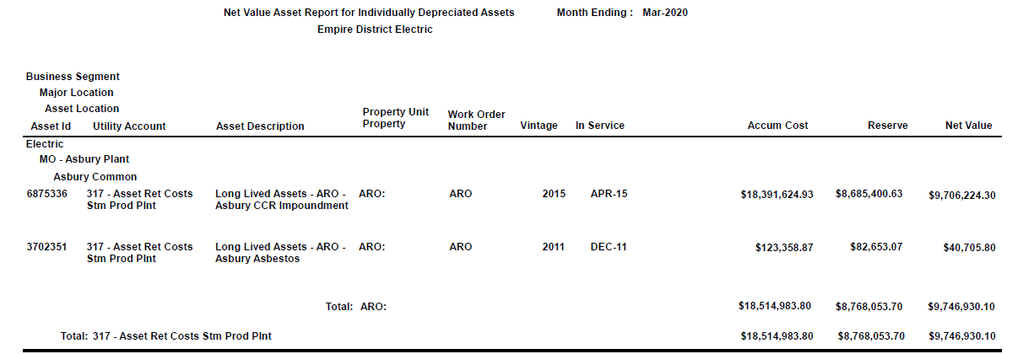
Correction to update accounts and amounts related to Asbury residual reserve
Account Description

 |  |  |  |  |  | 110 | OT

Correction to reverse the portion of the Asbury residual reserve entry related to COR drawdown
Account Description

Correction to pudate accounts and amounts related to Asbury ARO retirement
Account Description

4-State Allocation Workpaper provided by Taylor McDaniel, Regulatory Analyst

 |  |  |  |  |  |  | Total

Note:
The purpose of this entry (#0000059024) is to move the Asbury ARO asset and reserve balances to the Reg Debit accounts established for this purpose.

