Asbury Coal - Reg Asset
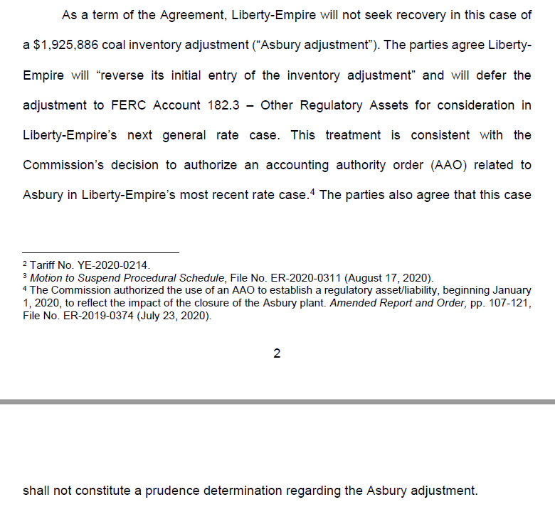
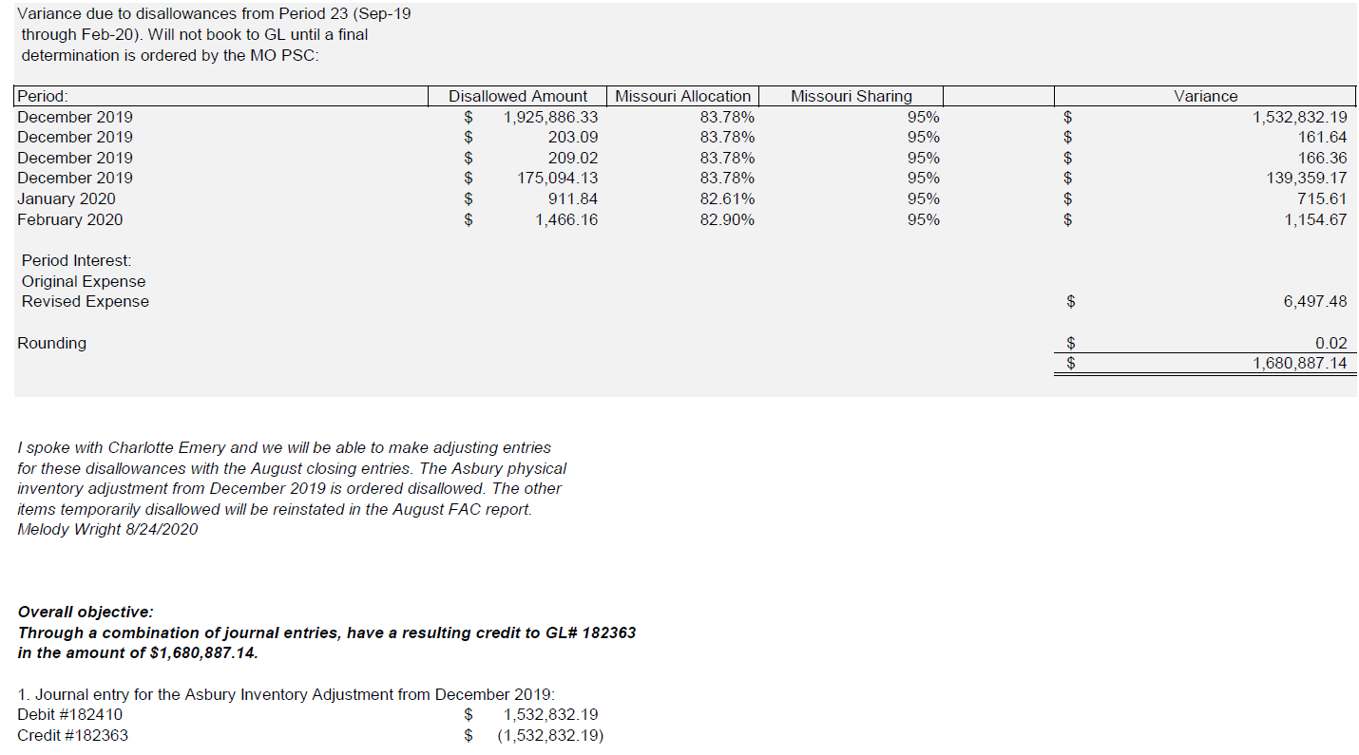
The Empire District Electric Company
EO-2022-0193
Missouri Asbury Securitization
Asbury Coal Regulatory Asset
 |  |  |  |  |  |  |  |  | Surrebuttal Schedule CTE-12 Asbury

 |  |  |  |  | Total Company | Missouri | Total Missouri | Total Missouri | Total Missouri
Line |  | GL |  |  | Test Year | Test Year | Test Year | Pro Forma | Pro Forma
No. | FERC | Account | Description | Reference | Ending Balance | Allocations | Ending Balance | Ending Balance | Adjustment
 | (a) | (b) | (c) | (d) | (e) | (f) | (g) = (e) x (f) | (h) | (i) = (h) - (g)

ASBURY COAL REGULATORY ASSET
1 | 182 | 182410 | Asbury Coal Adj ER-2020-0311 | TB 09-2020 | $1,532,832 | 100.00% | $1,532,832 | $1,532,832 | $-
2 |  |  | Total Rate Base Adjustment: |  | $1,532,832 |  | $1,532,832 | $1,532,832 | $-

Source: See reference column (d).

Purpose: To reflect the balance of the regulatory asset at April 2022.

Source: Per Order Approving Unanimous Stipulation and Agreement dated October 7, 2020

