Asbury Environmental Costs
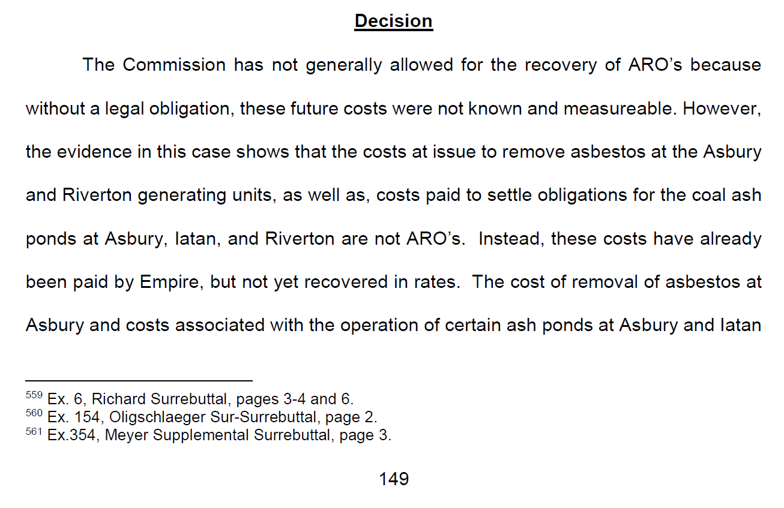
The Empire District Electric Company
EO-2022-0193
Missouri Asbury Securitization
Asbury Environmental Cost Regulatory Assets
 |  |  |  |  |  | Surrebuttal Schedule CTE-9 Asbury

 |  |  |  | Total Company | Missouri | Total Missouri
Line |  |  |  | Pro Forma | Update | Pro Forma
No. | FERC | Description | Reference | Adjustment | Allocations (1) | Adjustment
 | (a) | (b) | (c) | (d) | (e) | (f) = (d) x (e)

ASBURY ENVIRONMENTAL COST REGULATORY ASSETS
1 |  | Environmental Cost Regulatory Assets
2 | 182 | Asbury Asbestos |  | $678,108 | 84.04% | $569,882
3 | 182 | Asbury CCR Impoundment |  | 760,117 | 84.04% | 638,802
4 |  | Total Settlements Paid 01/1970 - 01/2020: |  | 1,438,225 |  | 1,208,685

5 |  | Environmental Cost Regulatory Assets
6 | 182 | Asbury CCR Impoundment |  | 53,310 | 88.53% | 47,194
7 |  | Total Settlements Paid 02/2020 - 09/2020: |  | 53,310 |  | 47,194

8 |  | Environmental Cost Regulatory Assets
9 | 182 | Asbury CCR Impoundment |  | 157,871 | 88.53% | 139,757
10 |  | Total Settlements Paid 10/2020 - 06/2021: |  | 157,871 |  | 139,757

11 |  | Environmental Cost Regulatory Assets
12 | 182 | Asbury Asbestos |  | 16,426 | 88.53% | 14,541
13 | 182 | Asbury CCR Impoundment |  | 95,429 | 88.53% | 84,480
14 |  | Total Settlements Paid 07/2021 - 01/2022: |  | 111,855 |  | 99,021

15 |  | Environmental Cost Regulatory Assets
16 | 182 | Asbury CCR Impoundment |  | 52,369 | 88.53% | 46,360
17 |  | Total Settlements Paid 02/2022: |  | 52,369 |  | 46,360

18 |  | Environmental Cost Regulatory Assets
19 | 182 | Asbury CCR Impoundment |  | 49,613 | 88.53% | 43,921
20 |  | Total Settlements Paid 03/2022: |  | 49,613 |  | 43,921

21 |  | Environmental Cost Regulatory Assets
22 | 182 | Asbury CCR Impoundment |  | 65,991 | 88.53% | 58,419
23 |  | Total Settlements Paid 04/2022: |  | 65,991 |  | 58,419

24 | 182 | Total Asbury Environmental Cost Regulatory Assets: |  | $1,929,235 |  | $1,643,357

Footnote:
(1) - Amounts settled and paid at January 2020 were approved in ER-2019-0374 to be included in this case; therefore, the jurisdictional allocations approved in ER-2019-0374 are being applied to those amounts. Settlements paid out since January 2020 have the jurisdictional allocations being proposed in the current case.
(2) - No projected costs are being included here as they are getting picked up in the Additional ARO cost lines of the Asbury Securitization Cost summary document.

Source: | ARO Settlements paid at January 2020 (true-up period of ER-2019-0374), ARO Settlements paid between February 2020 and September 2020, and settlements paid for October 2020 to June 2021, and settlement paid for July 2021 to January 2022 were obtained from Property Accounting.

Purpose: | To determine the amount of capital expenditures related to Asbury related environmental activities that have been settled or are expected to be settled and paid by the end of the update period. Due to the Asbury generating unit being retired as of the test year of this case, there is no accumulated depreciation balance on the books to apply these costs to as directed to in the Amended Report and Order in ER-2019-0374. When the unit retired, all non-recovered costs (inclusive of Accumulated Depreciation) were booked to a regulatory asset; therefore, this adjustment is offsetting the remaining accumulated reserve balance included in the Asbury stranded costs regulatory asset.

Settlements 01-70 to 01-20
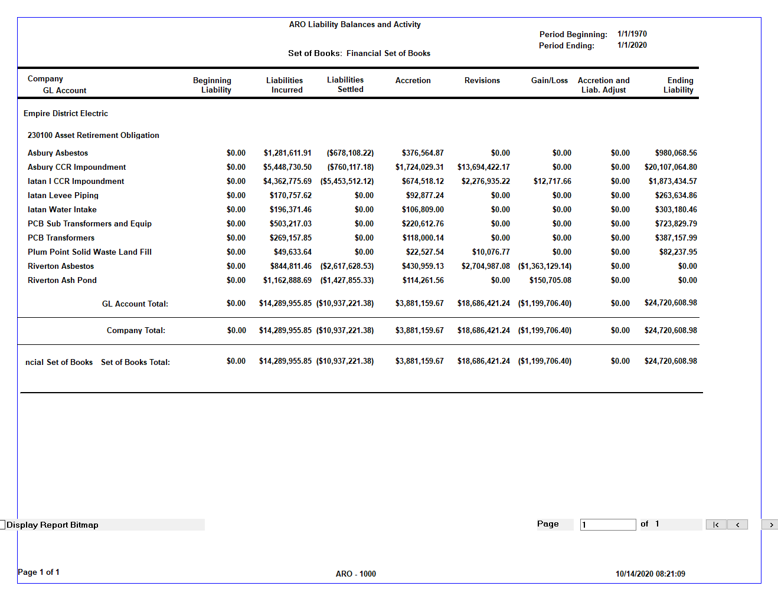
 |  |  |  |  |  |  |  |  |  |  |  |  |  | Surrebuttal Schedule CTE-9 Asbury
company_id | description | liability_account | beginning_liability | liability_incurred | liabilities_settled | accretion | revisions | gain_loss | adjust | ending_liability | description | aro_id | start_month | end_month
1 | Financial Set of Books | 230100 | - | 1,281,611.91 | (678,108.22) | 376,564.87 | - | - | - | 980,068.56 | Asbury Asbestos | 3653466 | 1/1/70 | 1/1/20
1 | Financial Set of Books | 230100 | - | 5,448,730.50 | (760,117.18) | 1,724,029.31 | 13,694,422.17 | - | - | 20,107,064.80 | Asbury CCR Impoundment | 6867940 | 1/1/70 | 1/1/20
1 | Financial Set of Books | 230100 | - | 4,362,775.69 | (5,453,512.12) | 674,518.12 | 2,276,935.22 | 12,717.66 | - | 1,873,434.57 | Iatan I CCR Impoundment | 6941356 | 1/1/70 | 1/1/20
1 | Financial Set of Books | 230100 | - | 170,757.62 | - | 92,877.24 | - | - | - | 263,634.86 | Iatan Levee Piping | 3653461 | 1/1/70 | 1/1/20
1 | Financial Set of Books | 230100 | - | 196,371.46 | - | 106,809.00 | - | - | - | 303,180.46 | Iatan Water Intake | 3653402 | 1/1/70 | 1/1/20
1 | Financial Set of Books | 230100 | - | 503,217.03 | - | 220,612.76 | - | - | - | 723,829.79 | PCB Sub Transformers and Equip | 4362026 | 1/1/70 | 1/1/20
1 | Financial Set of Books | 230100 | - | 269,157.85 | - | 118,000.14 | - | - | - | 387,157.99 | PCB Transformers | 4361982 | 1/1/70 | 1/1/20
1 | Financial Set of Books | 230100 | - | 49,633.64 | - | 22,527.54 | 10,076.77 | - | - | 82,237.95 | Plum Point Solid Waste Land Fill | 3653464 | 1/1/70 | 1/1/20
1 | Financial Set of Books | 230100 | - | 844,811.46 | (2,617,628.53) | 430,959.13 | 2,704,987.08 | (1,363,129.14) | - | (0.00) | Riverton Asbestos | 3653465 | 1/1/70 | 1/1/20
1 | Financial Set of Books | 230100 | - | 1,162,888.69 | (1,427,855.33) | 114,261.56 | - | 150,705.08 | - | (0.00) | Riverton Ash Pond | 4362040 | 1/1/70 | 1/1/20
 |  |  |  |  |  |  |  |  |  | -
 |  |  | - | 14,289,955.85 | (10,937,221.38) | 3,881,159.67 | 18,686,421.24 | (1,199,706.40) | - | 24,720,608.98

SOURCE: PowerPlan / Assets / ARO / Reports / ARO - 1000 / Financial Set of Books / Empire District Electric / Life to Date "01-2020"

Settlements 02-20 to 09-20
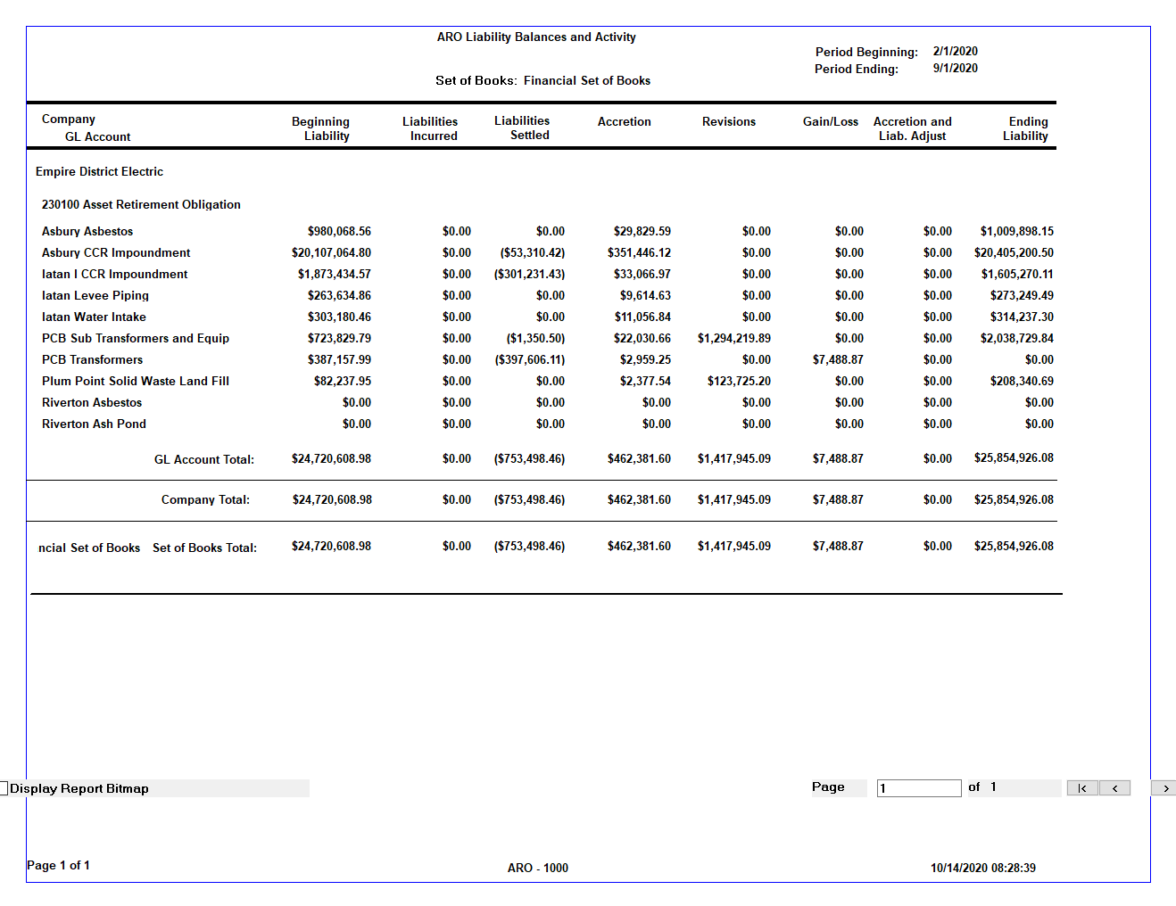
 |  |  |  |  |  |  |  |  |  |  |  |  |  | Surrebuttal Schedule CTE-9 Asbury
company_id | description | liability_account | beginning_liability | liability_incurred | liabilities_settled | accretion | revisions | gain_loss | adjust | ending_liability | description | aro_id | start_month | end_month
1 | Financial Set of Books | 230100 | 980,068.56 | - | - | 29,829.59 | - | - | - | 1,009,898.15 | Asbury Asbestos | 3653466 | 2/1/20 | 9/1/20
1 | Financial Set of Books | 230100 | 20,107,064.80 | - | (53,310.42) | 351,446.12 | - | - | - | 20,405,200.50 | Asbury CCR Impoundment | 6867940 | 2/1/20 | 9/1/20
1 | Financial Set of Books | 230100 | 1,873,434.57 | - | (301,231.43) | 33,066.97 | - | - | - | 1,605,270.11 | Iatan I CCR Impoundment | 6941356 | 2/1/20 | 9/1/20
1 | Financial Set of Books | 230100 | 263,634.86 | - | - | 9,614.63 | - | - | - | 273,249.49 | Iatan Levee Piping | 3653461 | 2/1/20 | 9/1/20
1 | Financial Set of Books | 230100 | 303,180.46 | - | - | 11,056.84 | - | - | - | 314,237.30 | Iatan Water Intake | 3653402 | 2/1/20 | 9/1/20
1 | Financial Set of Books | 230100 | 723,829.79 | - | (1,350.50) | 22,030.66 | 1,294,219.89 | - | - | 2,038,729.84 | PCB Sub Transformers and Equip | 4362026 | 2/1/20 | 9/1/20
1 | Financial Set of Books | 230100 | 387,157.99 | - | (397,606.11) | 2,959.25 | - | 7,488.87 | - | 0.00 | PCB Transformers | 4361982 | 2/1/20 | 9/1/20
1 | Financial Set of Books | 230100 | 82,237.95 | - | - | 2,377.54 | 123,725.20 | - | - | 208,340.69 | Plum Point Solid Waste Land Fill | 3653464 | 2/1/20 | 9/1/20
1 | Financial Set of Books | 230100 | - | - | - | - | - | - | - | - | Riverton Asbestos | 3653465 | 2/1/20 | 9/1/20
1 | Financial Set of Books | 230100 | - | - | - | - | - | - | - | - | Riverton Ash Pond | 4362040 | 2/1/20 | 9/1/20
 |  |  |  |  |  |  |  |  |  | -
 |  |  | 24,720,608.98 | - | (753,498.46) | 462,381.60 | 1,417,945.09 | 7,488.87 | - | 25,854,926.08

SOURCE: PowerPlan / Assets / ARO / Reports / ARO - 1000 / Financial Set of Books / Empire District Electric / Span from "02-2020" to "09-2020"

Settlements 10-20 to 06-21
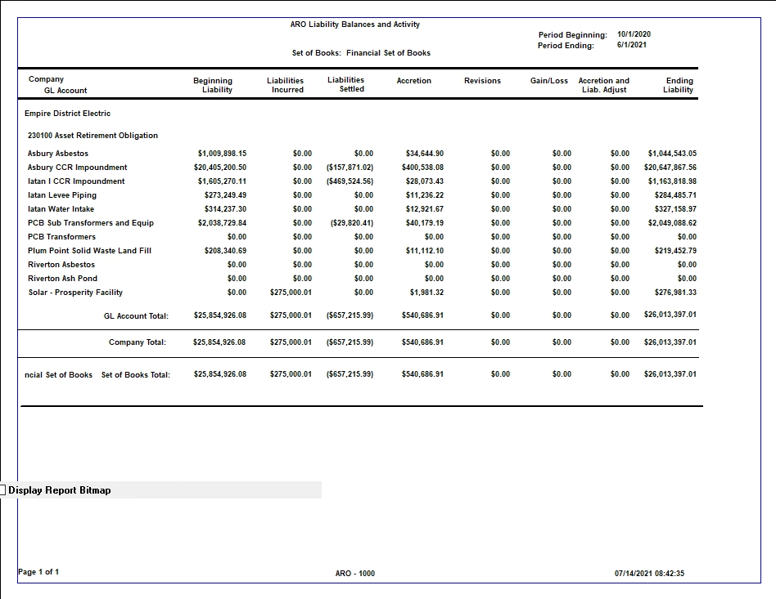
 |  |  |  |  |  |  |  |  |  |  |  |  |  | Surrebuttal Schedule CTE-9 Asbury
company_id | description | liability_account | beginning_liability | liability_incurred | liabilities_settled | accretion | revisions | gain_loss | adjust | ending_liability | description | aro_id | start_month | end_month
1 | Financial Set of Books | 230100 | 1,009,898.15 | - | - | 34,644.90 | - | - | - | 1,044,543.05 | Asbury Asbestos | 3653466 | 10/1/20 | 6/1/21
1 | Financial Set of Books | 230100 | 20,405,200.50 | - | (157,871.02) | 400,538.08 | - | - | - | 20,647,867.56 | Asbury CCR Impoundment | 6867940 | 10/1/20 | 6/1/21
1 | Financial Set of Books | 230100 | 1,605,270.11 | - | (469,524.56) | 28,073.43 | - | - | - | 1,163,818.98 | Iatan I CCR Impoundment | 6941356 | 10/1/20 | 6/1/21
1 | Financial Set of Books | 230100 | 273,249.49 | - | - | 11,236.22 | - | - | - | 284,485.71 | Iatan Levee Piping | 3653461 | 10/1/20 | 6/1/21
1 | Financial Set of Books | 230100 | 314,237.30 | - | - | 12,921.67 | - | - | - | 327,158.97 | Iatan Water Intake | 3653402 | 10/1/20 | 6/1/21
1 | Financial Set of Books | 230100 | 2,038,729.84 | - | (29,820.41) | 40,179.19 | - | - | - | 2,049,088.62 | PCB Sub Transformers and Equip | 4362026 | 10/1/20 | 6/1/21
1 | Financial Set of Books | 230100 | - | - | - | - | - | - | - | - | PCB Transformers | 4361982 | 10/1/20 | 6/1/21
1 | Financial Set of Books | 230100 | 208,340.69 | - | - | 11,112.10 | - | - | - | 219,452.79 | Plum Point Solid Waste Land Fill | 3653464 | 10/1/20 | 6/1/21
1 | Financial Set of Books | 230100 | - | - | - | - | - | - | - | - | Riverton Asbestos | 3653465 | 10/1/20 | 6/1/21
1 | Financial Set of Books | 230100 | - | - | - | - | - | - | - | - | Riverton Ash Pond | 4362040 | 10/1/20 | 6/1/21
1 | Financial Set of Books | 230100 | - | 275,000.01 | - | 1,981.32 | - | - | - | 276,981.33 | Solar - Prosperity Facility | 10624093 | 10/1/20 | 6/1/21
 |  |  | 25,854,926.08 | 275,000.01 | (657,215.99) | 540,686.91 | - | - | - | 26,013,397.01

SOURCE: PowerPlan / Assets / ARO / Reports / ARO - 1000 / Financial Set of Books / Empire District Electric / Span from "10-2020" to "06-2021"

