PCR.5
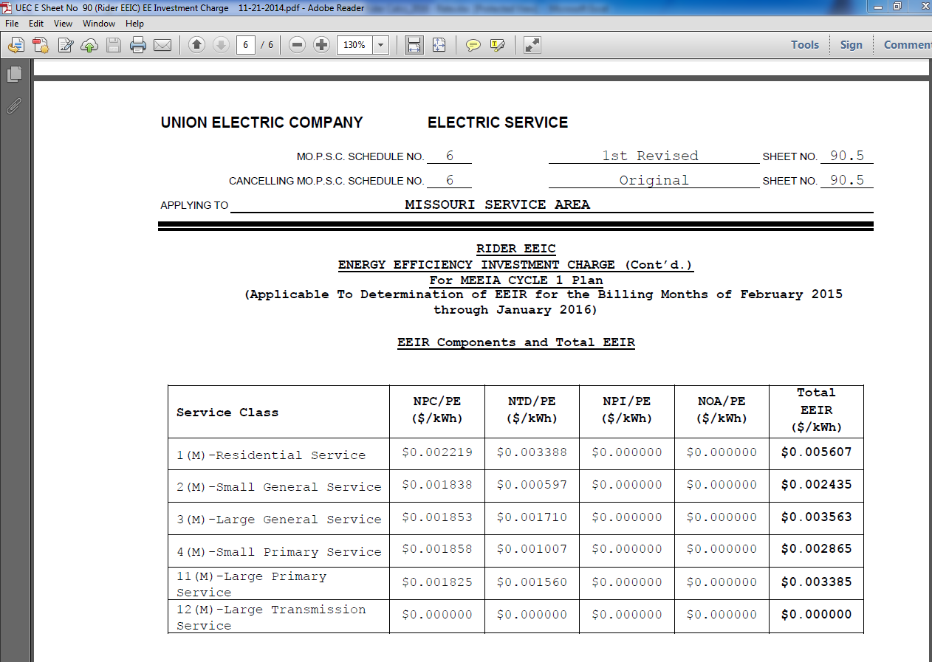
Tariff rate as filed for 2015

