PPC.2 & PCR.1F
MEEIA 2 forecasts - PC

 |  | COST ($) SUMMARY
 |  | 2016 | 2017 | 2018 | 2019 (Jan) | TOTAL
 | EE Business | $7,149,737 | $25,477,966 | $37,026,978 | $5,236,515 | $74,891,197
 | EE Residential | $14,139,784 | $21,227,454 | $20,859,571 | $1,368,118 | $57,594,928
 | Common/General | $1,206,140 | $1,833,991 | $3,290,000 | $427,117 | $6,757,248
 | Low income | $1,038,720 | $2,489,664 | $7,596,332 | $728,588 | $11,853,304
 | Total | $23,534,381 | $51,029,076 | $68,772,881 | $7,760,339 | $151,096,677

 | Based on PM 3-11-2016 Reforecast | Jan-16 | Feb-16 | Mar-16 | Apr-16 | May-16 | Jun-16 | Jul-16 | Aug-16 | Sep-16 | Oct-16 | Nov-16 | Dec-16 | Jan-17 | Feb-17 | Mar-17 | Apr-17 | May-17 | Jun-17 | Jul-17 | Aug-17 | Sep-17 | Oct-17 | Nov-17 | Dec-17 | Jan-18 | Feb-18 | Mar-18 | Apr-18 | May-18 | Jun-18 | Jul-18 | Aug-18 | Sep-18 | Oct-18 | Nov-18 | Dec-18 | Jan-19 | Feb-19 | Mar-19 | Apr-19 | May-19 | Jun-19 | Jul-19 | Aug-19 | Sep-19 | Oct-19 | Nov-19 | Dec-19
 | EE Business | $- | $- | $360,012 | $100,283 | $276,552 | $419,404 | $431,971 | $994,208 | $195,055 | $1,353,561 | $1,654,717 | $1,363,973 | $1,606,996 | $2,206,926 | $1,309,598 | $1,822,460 | $2,008,253 | $2,010,076 | $1,660,966 | $2,686,258 | $2,371,936 | $2,487,103 | $2,971,651 | $2,335,744 | $1,680,864 | $2,503,269 | $2,586,045 | $2,814,717 | $2,927,349 | $2,985,508 | $3,075,516 | $3,212,147 | $3,253,119 | $3,697,938 | $3,881,084 | $4,409,422 | $5,236,515
 | EE Residential | $- | $- | $92,702 | $470,888 | $1,113,268 | $1,040,038 | $1,509,772 | $2,518,184 | $1,527,052 | $1,905,357 | $2,048,592 | $1,913,932 | $1,690,081 | $1,877,207 | $1,484,918 | $630,134 | $2,225,868 | $2,452,377 | $1,476,113 | $2,335,444 | $1,946,348 | $1,758,049 | $2,012,539 | $1,338,377 | $1,447,564 | $1,854,505 | $1,134,980 | $1,145,118 | $1,587,118 | $2,387,361 | $2,219,198 | $2,170,356 | $1,670,985 | $1,779,904 | $2,087,170 | $1,375,312 | $1,368,118
 | Common/General | $- | $- | $13,689 | $4,868 | $16,491 | $248,118 | $167,978 | $101,199 | $279,336 | $235,613 | $96,300 | $42,547 | $233,596 | $43,536 | $58,193 | $46,837 | $232,484 | $473,144 | $163,391 | $45,341 | $18,082 | $314,374 | $98,513 | $106,500 | $230,000 | $230,000 | $230,000 | $230,000 | $255,000 | $655,000 | $230,000 | $230,000 | $230,000 | $230,000 | $270,000 | $270,000 | $427,117
 | Low income | $- | $- | $23,175 | $20,000 | $110,942 | $105,942 | $77,203 | $288,149 | $98,245 | $(20,630) | $171,715 | $163,978 | $143,966 | $286,357 | $138,886 | $90,874 | $191,206 | $41,515 | $48,458 | $479,199 | $6,988 | $103,923 | $558,643 | $399,649 | $521,958 | $559,145 | $529,330 | $598,356 | $636,648 | $688,439 | $700,638 | $764,341 | $759,391 | $652,405 | $594,508 | $591,173 | $728,588
 | Total | $- | $- | $489,578 | $596,039 | $1,517,253 | $1,813,502 | $2,186,924 | $3,901,740 | $2,099,689 | $3,473,901 | $3,971,325 | $3,484,430 | $3,674,639 | $4,414,026 | $2,991,594 | $2,590,305 | $4,657,811 | $4,977,112 | $3,348,928 | $5,546,243 | $4,343,354 | $4,663,449 | $5,641,346 | $4,180,270 | $3,880,386 | $5,146,919 | $4,480,354 | $4,788,191 | $5,406,114 | $6,716,308 | $6,225,352 | $6,376,845 | $5,913,496 | $6,360,246 | $6,832,762 | $6,645,907 | $7,760,339
 | Cum | $- | $- | $489,578 | $1,085,617 | $2,602,870 | $4,416,372 | $6,603,296 | $10,505,036 | $12,604,725 | $16,078,626 | $20,049,950 | $23,534,381 | $27,209,020 | $31,623,045 | $34,614,640 | $37,204,944 | $41,862,756 | $46,839,867 | $50,188,795 | $55,735,038 | $60,078,392 | $64,741,840 | $70,383,186 | $74,563,456 | $78,443,842 | $83,590,761 | $88,071,115 | $92,859,307 | $98,265,421 | $104,981,729 | $111,207,082 | $117,583,926 | $123,497,422 | $129,857,668 | $136,690,430 | $143,336,338 | $151,096,677
 | *** Work with EE team to update the most recent monthly Program Cost Reforecast and sumarize the data into the 4 buckets above as required for EEIC rider.
 | EE Business | EE Residential | Common/General | Low income | Total
Jan-16 | $- | $- | $- | $- | $-
Feb-16 | $- | $- | $- | $- | $-
Mar-16 | $360,012 | $92,702 | $13,689 | $23,175 | $489,578
Apr-16 | $100,283 | $470,888 | $4,868 | $20,000 | $596,039
May-16 | $276,552 | $1,113,268 | $16,491 | $110,942 | $1,517,253
Jun-16 | $419,404 | $1,040,038 | $248,118 | $105,942 | $1,813,502
Jul-16 | $431,971 | $1,509,772 | $167,978 | $77,203 | $2,186,924
Aug-16 | $994,208 | $2,518,184 | $101,199 | $288,149 | $3,901,740
Sep-16 | $195,055 | $1,527,052 | $279,336 | $98,245 | $2,099,689
Oct-16 | $1,353,561 | $1,905,357 | $235,613 | $(20,630) | $3,473,901
Nov-16 | $1,654,717 | $2,048,592 | $96,300 | $171,715 | $3,971,325
Dec-16 | $1,363,973 | $1,913,932 | $42,547 | $163,978 | $3,484,430
Jan-17 | $1,606,996 | $1,690,081 | $233,596 | $143,966 | $3,674,639
Feb-17 | $2,206,926 | $1,877,207 | $43,536 | $286,357 | $4,414,026
Mar-17 | $1,309,598 | $1,484,918 | $58,193 | $138,886 | $2,991,594
Apr-17 | $1,822,460 | $630,134 | $46,837 | $90,874 | $2,590,305
May-17 | $2,008,253 | $2,225,868 | $232,484 | $191,206 | $4,657,811
Jun-17 | $2,010,076 | $2,452,377 | $473,144 | $41,515 | $4,977,112
Jul-17 | $1,660,966 | $1,476,113 | $163,391 | $48,458 | $3,348,928
Aug-17 | $2,686,258 | $2,335,444 | $45,341 | $479,199 | $5,546,243
Sep-17 | $2,371,936 | $1,946,348 | $18,082 | $6,988 | $4,343,354
Oct-17 | $2,487,103 | $1,758,049 | $314,374 | $103,923 | $4,663,449
Nov-17 | $2,971,651 | $2,012,539 | $98,513 | $558,643 | $5,641,346
Dec-17 | $2,335,744 | $1,338,377 | $106,500 | $399,649 | $4,180,270
Jan-18 | $1,680,864 | $1,447,564 | $230,000 | $521,958 | $3,880,386
Feb-18 | $2,503,269 | $1,854,505 | $230,000 | $559,145 | $5,146,919
Mar-18 | $2,586,045 | $1,134,980 | $230,000 | $529,330 | $4,480,354
Apr-18 | $2,814,717 | $1,145,118 | $230,000 | $598,356 | $4,788,191
May-18 | $2,927,349 | $1,587,118 | $255,000 | $636,648 | $5,406,114
Jun-18 | $2,985,508 | $2,387,361 | $655,000 | $688,439 | $6,716,308
Jul-18 | $3,075,516 | $2,219,198 | $230,000 | $700,638 | $6,225,352
Aug-18 | $3,212,147 | $2,170,356 | $230,000 | $764,341 | $6,376,845
Sep-18 | $3,253,119 | $1,670,985 | $230,000 | $759,391 | $5,913,496
Oct-18 | $3,697,938 | $1,779,904 | $230,000 | $652,405 | $6,360,246
Nov-18 | $3,881,084 | $2,087,170 | $270,000 | $594,508 | $6,832,762
Dec-18 | $4,409,422 | $1,375,312 | $270,000 | $591,173 | $6,645,907
Jan-19 | $5,236,515 | $1,368,118 | $427,117 | $728,588 | $7,760,339
Feb-19
Mar-19
Apr-19
May-19
Jun-19
Jul-19
Aug-19
Sep-19
Oct-19
Nov-19
Dec-19
 |  |  |  |  |  |  |  |  |  |  | PPC.2 |  | Total Feb 18 - Jan 19
 |  |  |  |  |  |  |  |  |  |  | RES |  | $20,780,125
 |  |  |  |  |  |  |  |  |  |  | BUS |  | $40,582,630
 |  |  |  |  |  |  |  |  |  |  | Low Income |  | $7,802,962
 |  |  |  |  |  |  |  |  |  |  | Common/General |  | $3,487,117

 |  |  |  |  |  |  |  |  |  |  | PCR.1F | Nov-17 | Dec-17 | Jan-18
 |  |  |  |  |  |  |  |  |  |  | RES | $2,012,539.00 | $1,338,377.00 | $1,447,564.00
 |  |  |  |  |  |  |  |  |  |  | BUS | $2,971,651.00 | $2,335,744.00 | $1,680,864.00
 |  |  |  |  |  |  |  |  |  |  | Low Income | $558,643.00 | $399,649.00 | $521,958.00
 |  |  |  |  |  |  |  |  |  |  | Common/General | $98,513.00 | $106,500.00 | $230,000.00
 |  |  |  |  |  |  |  |  |  |  | Total | $5,641,346.00 | $4,180,270.00 | $3,880,386.00

 |  |  |  |  |  |  |  |  |  |  | Adjustments to forecast
 |  |  |  |  |  |  |  |  |  |  | RES | (392,459.16) | remove Cardinals sign expense/correct Cardinals radio allocation ( will be booked to GL in November)

 |  |  |  |  |  |  |  |  |  |  | PCR.1F | Nov-17 | Dec-17 | Jan-18
EEIC Category | Project |  |  |  |  |  |  |  |  |  | RES | $1,620,079.84 | $1,338,377.00 | $1,447,564.00
Com./ Gen | J06D3 - MEEIA 2016-2018 Education |  |  |  |  |  |  |  |  |  | BUS | $2,971,651.00 | $2,335,744.00 | $1,680,864.00
Com./ Gen | J06D4 - MEEIA 2016-2018 Marketing |  |  |  |  |  |  |  |  |  | Low Income | $558,643.00 | $399,649.00 | $521,958.00
Com./ Gen | J06D5 - MEEIA 2016-2018 Potintial Study |  |  |  |  |  |  |  |  |  | Common/General | $98,513.00 | $106,500.00 | $230,000.00
Com./ Gen | J06D6 - MEEIA 2016-2018 Data Tracking |  |  |  |  |  |  |  |  |  | Total | $5,248,886.84 | $4,180,270.00 | $3,880,386.00
Com./ Gen | J000P - MEEIA 2016-2018 R&D
Com./ Gen | J06D7 - MEEIA 2016-2018 General Exp
 | Portfolio Total
Bus | J06D8 - MEEIA 2016-2018 Biz Standard
Bus | J06D9 - MEEIA 2016-2018 Biz Custom
Bus | J06DB - MEEIA 2016-2018 Biz Retro-commissio
Bus | J06DC - MEEIA 2016-2018 Biz New Constructio
Bus | J0006 - MEEIA 2016-2018 Biz SBDI
Bus | J06DD - MEEIA 2016-2018 Biz Program Gen Exp
 | Business Total
Res | J06DF - MEEIA 2016-2018 Res Lighting
Res | J06DG - MEEIA 2016-2018 Res Energy Efficien
Res | J06DH - MEEIA 2016-2018 Res HVAC
Low Inc. | J06DK - MEEIA 2016-2018 Res Low Income
Res | J06DL - MEEIA 2016-2018 Res Kits
Res | J0005 - MEEIA 2016-2018 Res Home Energy Rpt
Res | J06DM - MEEIA 2016-2018 Res Program Gen Exp
Res | Residential Total
Res | J06DN - MEEIA 2016-2018 EMV Res Programs
Biz | J06DP - MEEIA 2016-2018 EMV Biz Programs
Com./ Gen | J06DQ - MEEIA 2016-2018 EMV Gen Expense
 | EM&V Total
Com./ Gen | J06DR - MEEIA 2016-2018 Communications

PCR.6
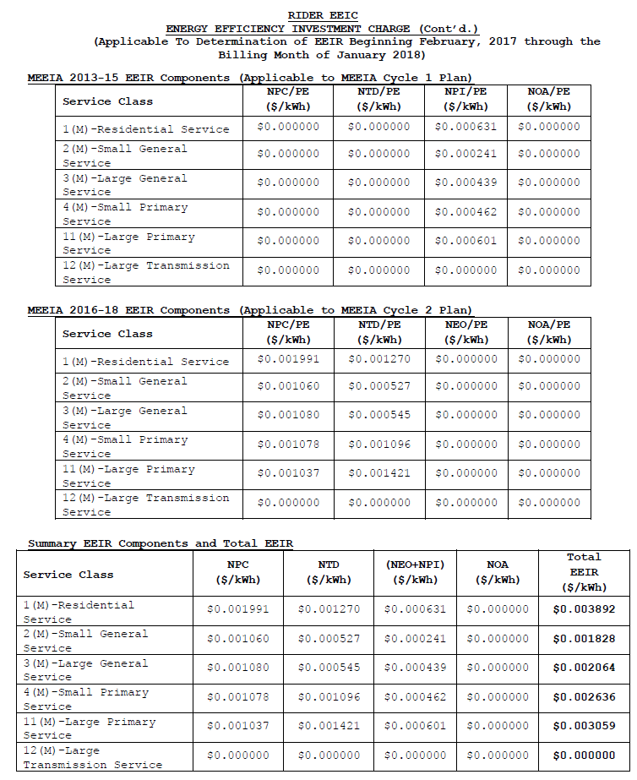
Tariff rate as filed for 2017

OA.1
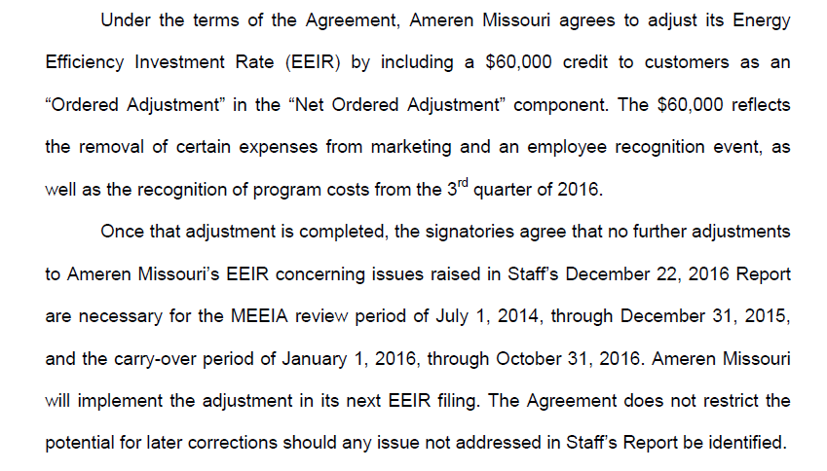
From Stipulation EO 2017-0023

Page 2:

OA.2
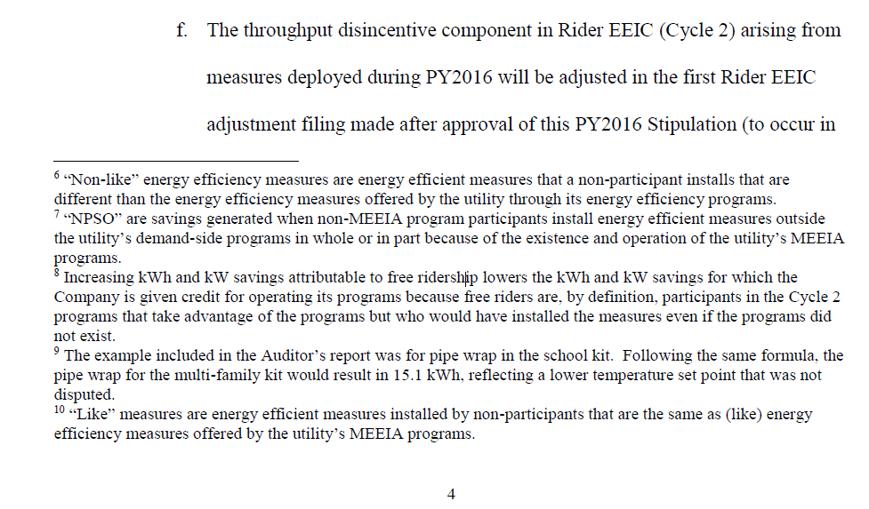
From Stipulation EO 2015-0055

Page 4 & 5:

