PI.1
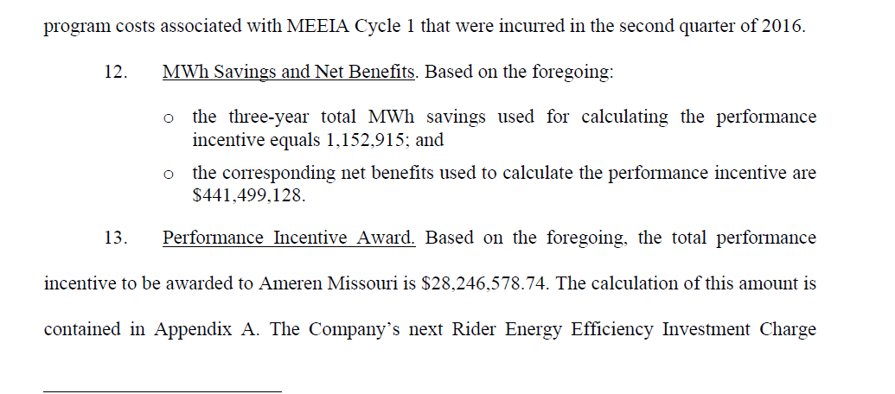
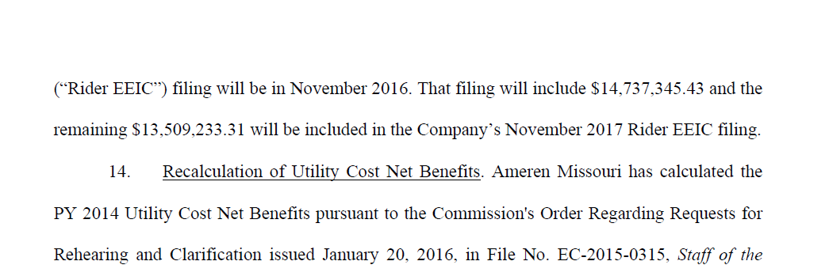
From Stipulation EO 2012-0142

Page 4 & 5:

PI.2
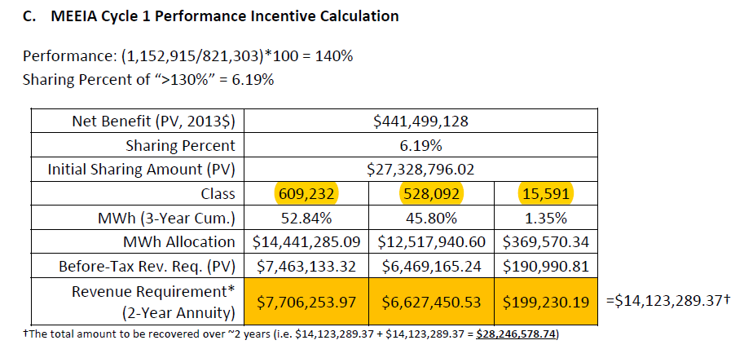
From Stipulation EO 2012-0142

Page 9:

PI.3
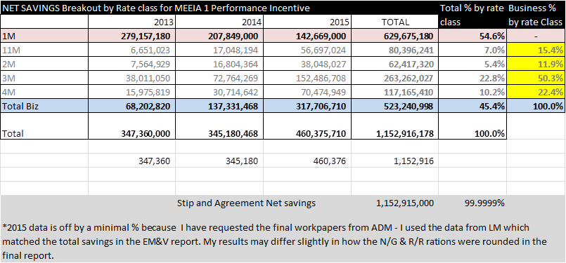

PIR.5
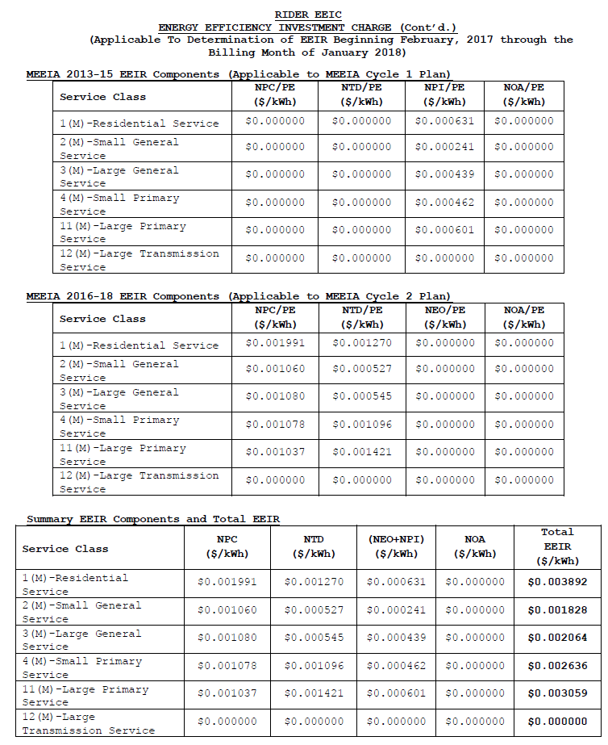
Tariff rate as filed for 2017

