2. TD 2022 Residential Lighting
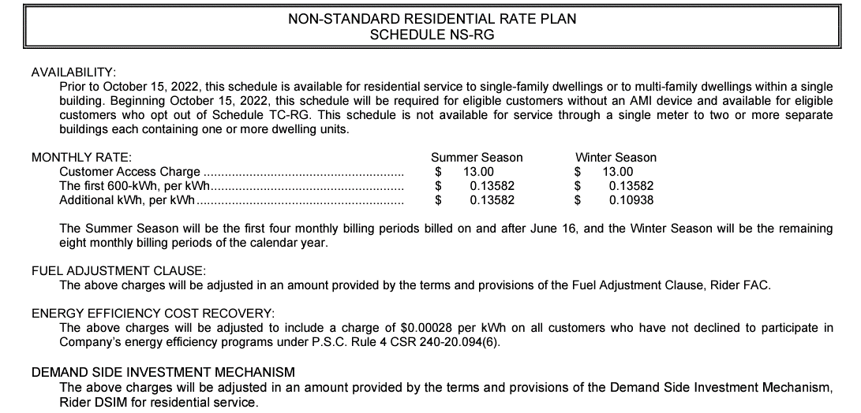
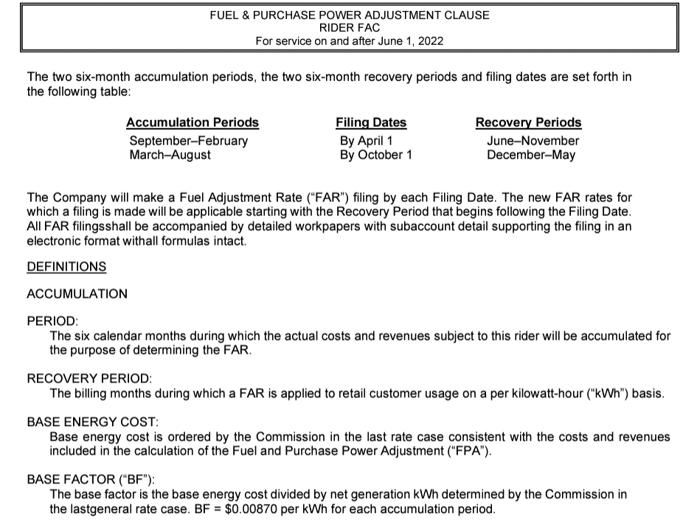
2022 TD Calculation
Residential Lighting |  | Jan-22 | Feb-22 | Mar-22 | Apr-22 | May-22 | Jun-22 | Jul-22 | Aug-22 | Sep-22 | Oct-22 | Nov-22 | Dec-22 | 12ME December

Installed Savings | kWh

Jan-22 | - | - | - | - | - | - | - | - | - | - | - | - | - | -
Feb-22 | - |  | - | - | - | - | - | - | - | - | - | - | - | -
Mar-22 | 1,668 |  |  | 77 | 141 | 132 | 114 | 113 | 118 | 123 | 141 | 150 | 164 | 1,274
Apr-22 | 3,063 |  |  |  | 130 | 243 | 210 | 208 | 216 | 226 | 259 | 275 | 301 | 2,068
May-22 | - |  |  |  |  | - | - | - | - | - | - | - | - | -
Jun-22 | 315 |  |  |  |  |  | 11 | 21 | 22 | 23 | 27 | 28 | 31 | 163
Jul-22 | 1,962 |  |  |  |  |  |  | 67 | 138 | 145 | 166 | 176 | 193 | 885
Aug-22 | 39 |  |  |  |  |  |  |  | 1 | 3 | 3 | 3 | 4 | 15
Sep-22 | - |  |  |  |  |  |  |  |  | - | - | - | - | -
Oct-22 | 1,374 |  |  |  |  |  |  |  |  |  | 58 | 124 | 135 | 317
Nov-22 | 157,958 |  |  |  |  |  |  |  |  |  |  | 7,099 | 15,529 | 22,628
Dec-22 | 208,764 |  |  |  |  |  |  |  |  |  |  |  | 10,262 | 10,262

Total Savings (kWh) | 375,142 | - | - | 77 | 271 | 376 | 335 | 409 | 496 | 520 | 654 | 7,855 | 26,619 | 37,612
Net-to-Gross Factor (%) | 82.5%
Rate ($ per kWh) |  | $0.08243 | $0.08243 | $0.08243 | $0.08243 | $0.08243 | $0.10478 | $0.12712 | $0.12712 | $0.12712 | $0.11654 | $0.10717 | $0.10717
Total Savings ($) |  | $- | $- | $5 | $18 | $26 | $29 | $43 | $52 | $55 | $63 | $695 | $2,354 | $3,339

Portfolio Breakdown
Lighting Programs |  | 100.0%
Heating-based Programs |  | 0.0%
Cooling-based Programs |  | 0.0%

Lighting |  | 10.1% | 8.8% | 9.3% | 8.5% | 7.9% | 6.9% | 6.8% | 7.1% | 7.4% | 8.5% | 9.0% | 9.8%
Heating |  | 21.8% | 18.2% | 13.5% | 5.8% | 1.7% | 0.1% | 0.0% | 0.0% | 0.9% | 5.5% | 11.6% | 20.9%
Cooling |  | 0.1% | 0.1% | 0.3% | 1.5% | 6.5% | 21.1% | 28.5% | 27.1% | 12.7% | 1.8% | 0.1% | 0.1%

Rates
 |  |  |  | Jan - May |  |  |  |  | Jun - October |  |  |  |  | November - December
Residential Rates (Tail Block) | Jan-May | Jun-Oct | Nov-Dec | 2nd Step | Fuel | Net Rate | Pct |  | 2nd Step | Fuel | Net Rate | Pct |  | 2nd Step | Fuel | Off-Peak Credit | Net Rate | Pct
Summer | $0.10197 | $0.12712 | $0.12621 | $0.12535 | $0.02338 | $0.10197 | 20.0% |  | $0.13582 | $0.00870 | $0.12712 | 20.0% |  | $0.14031 | $0.00870 | $0.02000 | $0.12621 | 20.0%
Winter | $0.08243 | $0.10597 | $0.10717 | $0.10093 | $0.02338 | $0.07755 | 80.0% |  | $0.10938 | $0.00870 | $0.10068 | 80.0% |  | $0.11651 | $0.00870 | $0.02000 | $0.10241 | 80.0%
Prorated (For Jun. & Oct.) | $0.09220 | $0.11654 | $0.11669
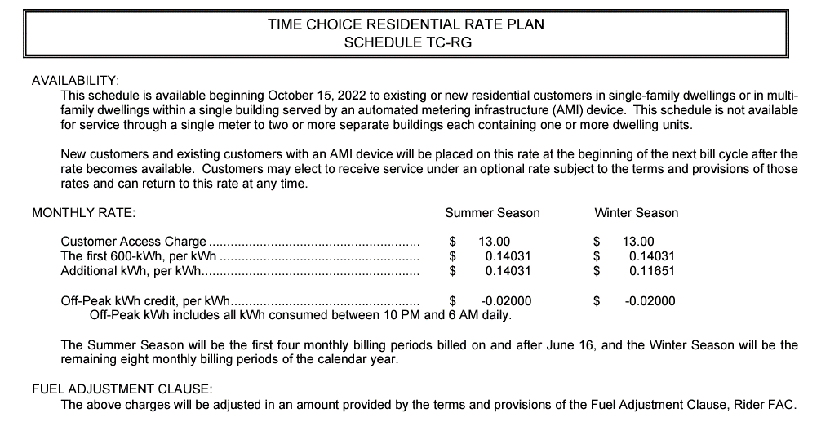
 |  |  |  |  |  |  |  |  |  |  |  |  |  |  |  | 26.98%
Jun-22
Prorate using
Summer new rate &
Winter old rate

2. TD 2022 Small C&I HVAC
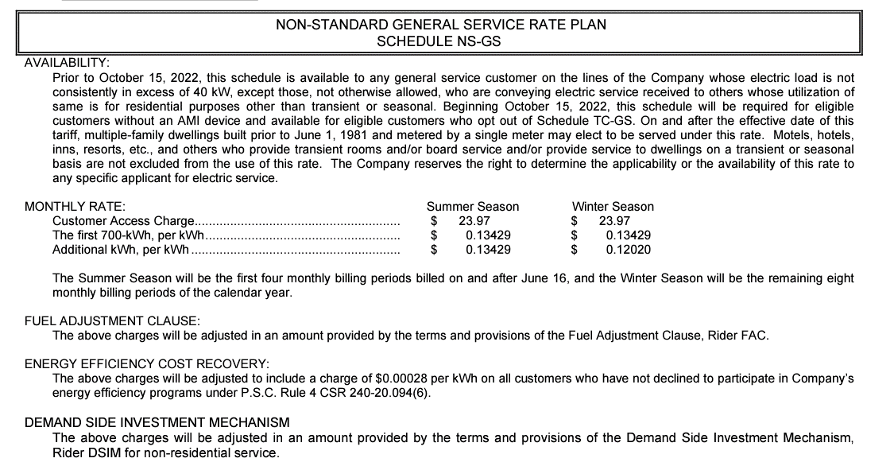
2022 TD Calculation
Small C&I HVAC |  | Jan-22 | Feb-22 | Mar-22 | Apr-22 | May-22 | Jun-22 | Jul-22 | Aug-22 | Sep-22 | Oct-22 | Nov-22 | Dec-22 | 12ME December

Installed Savings | kWh

Jan-22 | - | - | - | - | - | - | - | - | - | - | - | - | - | -
Feb-22 | - |  | - | - | - | - | - | - | - | - | - | - | - | -
Mar-22 | - |  |  | - | - | - | - | - | - | - | - | - | - | -
Apr-22 | - |  |  |  | - | - | - | - | - | - | - | - | - | -
May-22 | - |  |  |  |  | - | - | - | - | - | - | - | - | -
Jun-22 | - |  |  |  |  |  | - | - | - | - | - | - | - | -
Jul-22 | - |  |  |  |  |  |  | - | - | - | - | - | - | -
Aug-22 | - |  |  |  |  |  |  |  | - | - | - | - | - | -
Sep-22 | - |  |  |  |  |  |  |  |  | - | - | - | - | -
Oct-22 | - |  |  |  |  |  |  |  |  |  | - | - | - | -
Nov-22 | - |  |  |  |  |  |  |  |  |  |  | - | - | -
Dec-22 | 110,954 |  |  |  |  |  |  |  |  |  |  |  | 5,840 | 5,840

Total Savings (MWh) | 110,954 | - | - | - | - | - | - | - | - | - | - | - | 5,840 | 5,840
Net-to-Gross Factor (%) | 82.5%
Rate ($ per kWh) |  | $0.09306 | $0.09306 | $0.09306 | $0.09306 | $0.09306 | $0.10932 | $0.12559 | $0.12559 | $0.12559 | $0.11995 | $0.11499 | $0.11499
Total Savings ($) |  | $- | $- | $- | $- | $- | $- | $- | $- | $- | $- | $- | $554 | $554

Portfolio Breakdown
Lighting Programs |  | 0.0%
Heating-based Programs |  | 50.0%
Cooling-based Programs |  | 50.0%

Lighting |  | 10.1% | 8.8% | 9.3% | 8.5% | 7.9% | 6.9% | 6.8% | 7.1% | 7.4% | 8.5% | 9.0% | 9.8%
Heating |  | 21.8% | 18.2% | 13.5% | 5.8% | 1.7% | 0.1% | 0.0% | 0.0% | 0.9% | 5.5% | 11.6% | 20.9%
Cooling |  | 0.1% | 0.1% | 0.3% | 1.5% | 6.5% | 21.1% | 28.5% | 27.1% | 12.7% | 1.8% | 0.1% | 0.1%

Rates
 |  |  |  | Jan - May |  |  |  |  | Jun - October |  |  |  |  | November - December
Commercial Rates (CB) (Tail Block) | Jan-May | Jun-Oct | Nov-Dec | 2nd Step | Fuel | Net Rate | Pct |  | 2nd Step | Fuel | Net Rate | Pct |  | 2nd Step | Fuel | Off-Peak Credit | Net Rate | Pct
Summer | $0.10374 | $0.12559 | $0.12513 | $0.12712 | $0.02338 | $0.10374 | 20.0% |  | $0.13429 | $0.00870 | $0.12559 | 20.0% |  | $0.13892 | $0.00870 | $0.02000 | $0.12513 | 20.0%
Winter | $0.09306 | $0.11432 | $0.11499 | $0.11377 | $0.02338 | $0.09039 | 80.0% |  | $0.12020 | $0.00870 | $0.11150 | 80.0% |  | $0.12624 | $0.00870 | $0.02000 | $0.11245 | 80.0%
Prorated (For Jun. & Oct.) | $0.09840 | $0.11995 | $0.12006
 |  |  |  |  |  |  |  |  |  |  |  |  |  |  |  | 25.44%
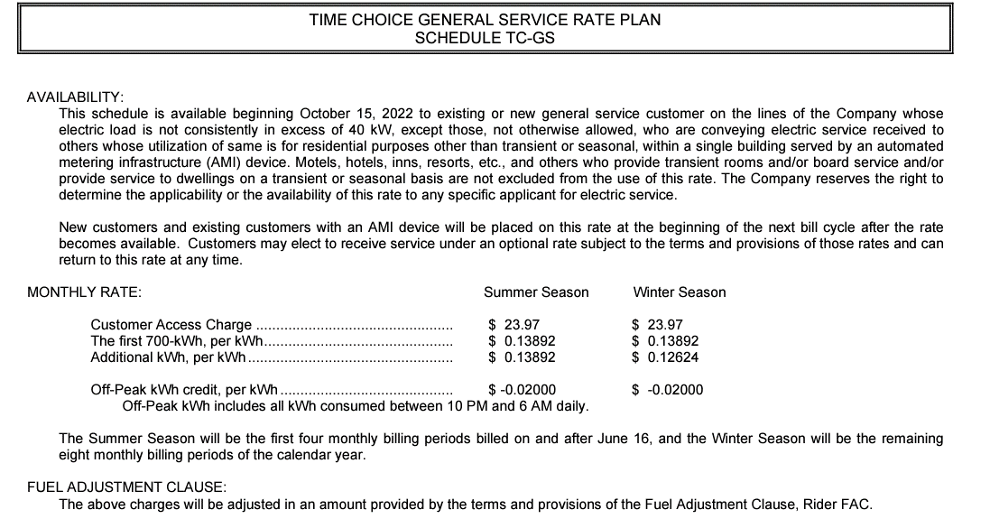
Jun-22
Prorate using
Summer new rate &
Winter old rate

2. TD 2022 Large C&I Lighting
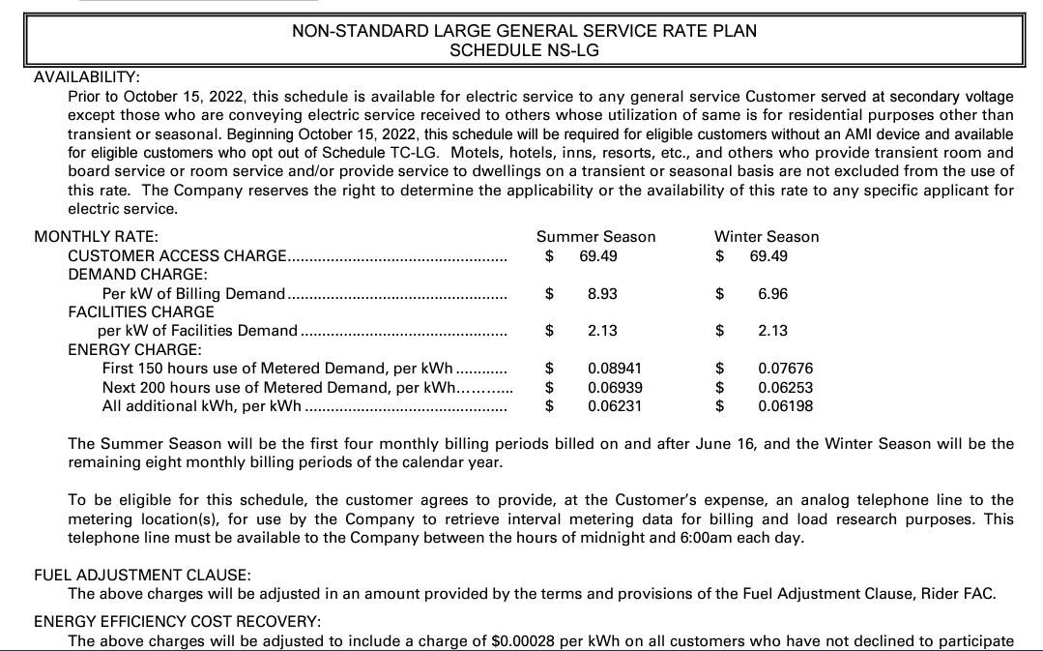
2022 TD Calculation
Large C&I Lighting |  | Jan-22 | Feb-22 | Mar-22 | Apr-22 | May-22 | Jun-22 | Jul-22 | Aug-22 | Sep-22 | Oct-22 | Nov-22 | Dec-22 | 12ME December

Installed Savings | kWh

Jan-22 | 1,066,979 | 53,980 | 94,365 | 99,100 | 90,314 | 84,711 | 73,097 | 72,409 | 75,291 | 78,735 | 90,201 | 95,900 | 104,897 | 1,012,999
Feb-22 | 811,186 |  | 35,871 | 75,342 | 68,663 | 64,402 | 55,573 | 55,050 | 57,241 | 59,859 | 68,577 | 72,909 | 79,749 | 693,237
Mar-22 | 1,253,616 |  |  | 58,217 | 106,112 | 99,528 | 85,883 | 85,075 | 88,461 | 92,507 | 105,979 | 112,675 | 123,245 | 957,684
Apr-22 | 464,685 |  |  |  | 19,667 | 36,893 | 31,835 | 31,535 | 32,790 | 34,290 | 39,284 | 41,766 | 45,684 | 313,744
May-22 | 450,842 |  |  |  |  | 17,897 | 30,886 | 30,596 | 31,814 | 33,269 | 38,114 | 40,522 | 44,323 | 267,420
Jun-22 | 139,628 |  |  |  |  |  | 4,783 | 9,476 | 9,853 | 10,303 | 11,804 | 12,550 | 13,727 | 72,496
Jul-22 | - |  |  |  |  |  |  | - | - | - | - | - | - | -
Aug-22 | - |  |  |  |  |  |  |  | - | - | - | - | - | -
Sep-22 | 213,876 |  |  |  |  |  |  |  |  | 7,891 | 18,081 | 19,223 | 21,027 | 66,222
Oct-22 | 88,912 |  |  |  |  |  |  |  |  |  | 3,758 | 7,991 | 8,741 | 20,491
Nov-22 | - |  |  |  |  |  |  |  |  |  |  | - | - | -
Dec-22 | 567,821 |  |  |  |  |  |  |  |  |  |  |  | 27,912 | 27,912
 |  |  |  |  |  |  |  |  |  |  |  |  |  | -
Total Savings (kWh) | 5,057,545 | 53,980 | 130,236 | 232,659 | 284,756 | 303,431 | 282,056 | 284,142 | 295,451 | 316,854 | 375,798 | 403,536 | 469,306 | 3,432,205
Net-to-Gross Factor (%) | 82.5%
Rate ($ per kWh) |  | $0.03689 | $0.03689 | $0.03689 | $0.03689 | $0.03689 | $0.04525 | $0.05361 | $0.05361 | $0.05361 | $0.05345 | $0.05379 | $0.05379
Total Savings ($) |  | $1,643 | $3,964 | $7,081 | $8,666 | $9,235 | $10,529 | $12,567 | $13,067 | $14,014 | $16,570 | $17,907 | $20,826 | $136,069

Portfolio Breakdown
Lighting Programs |  | 100.0%
Heating-based Programs |  | 0.0%
Cooling-based Programs |  | 0.0%

Lighting |  | 10.1% | 8.8% | 9.3% | 8.5% | 7.9% | 6.9% | 6.8% | 7.1% | 7.4% | 8.5% | 9.0% | 9.8%
Heating |  | 21.8% | 18.2% | 13.5% | 5.8% | 1.7% | 0.1% | 0.0% | 0.0% | 0.9% | 5.5% | 11.6% | 20.9%
Cooling |  | 0.1% | 0.1% | 0.3% | 1.5% | 6.5% | 21.1% | 28.5% | 27.1% | 12.7% | 1.8% | 0.1% | 0.1%

Rates
 |  |  |  | Jan - May |  |  |  |  | Jun - October |  |  |  |  | November - December
General Power Rates (GP) (Tail Block) | Jan-May | Jun-Oct | Nov-Dec | 2nd Step | Fuel | Net Rate |  |  | 2nd Step | Fuel | Net Rate |  |  | 2nd Step | Fuel | Off-Peak Credit | Net Rate
Summer | $0.03718 | $0.05361 | $0.05411 | $0.06056 | $0.02338 | $0.03718 |  |  | $0.06231 | $0.00870 | $0.05361 |  |  | $0.06417 | $0.00870 | $0.00500 | $0.05411
Winter | $0.03689 | $0.05328 | $0.05379 | $0.06027 | $0.02338 | $0.03689 |  |  | $0.06198 | $0.00870 | $0.05328 |  |  | $0.06385 | $0.00870 | $0.00500 | $0.05379
Prorated (For Jun. & Oct.) | $0.03704 | $0.05345 | $0.05395
 |  |  |  |  |  |  |  |  |  |  |  |  |  |  |  | 27.23%
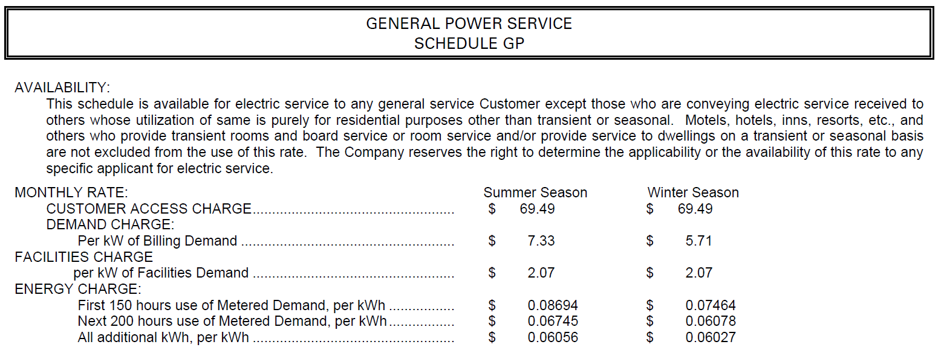
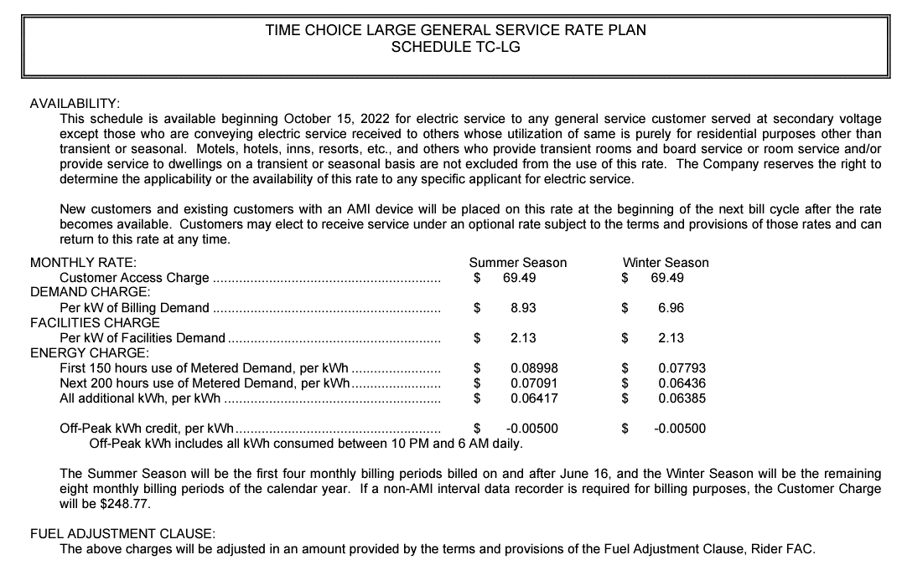
Jun-22
Prorate using
Summer new rate &
Winter old rate

Load Shapes
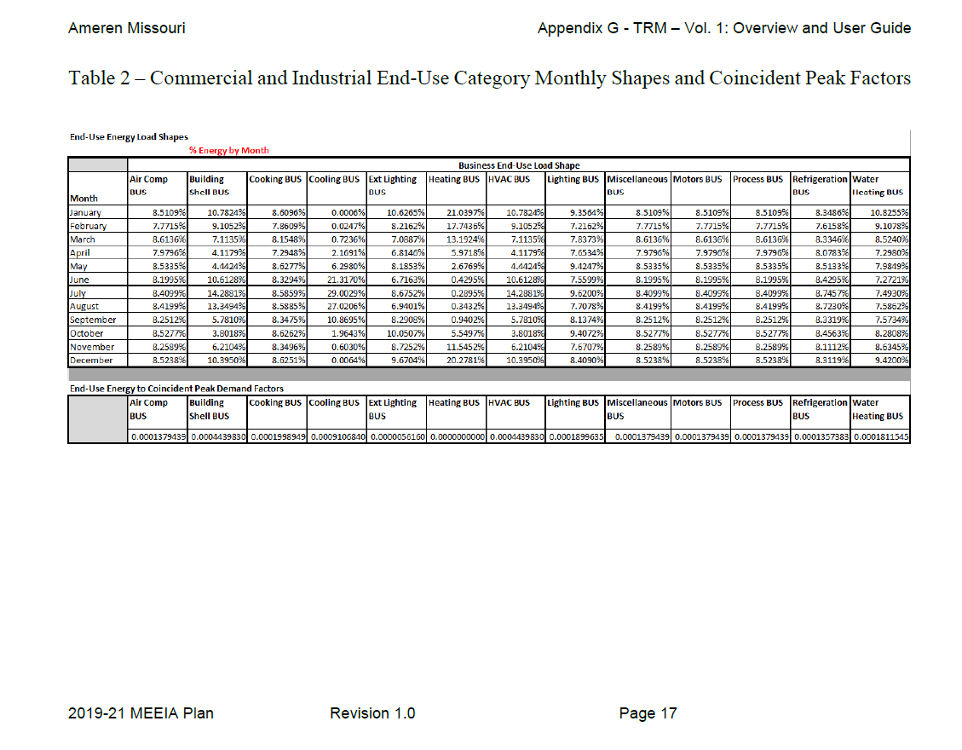
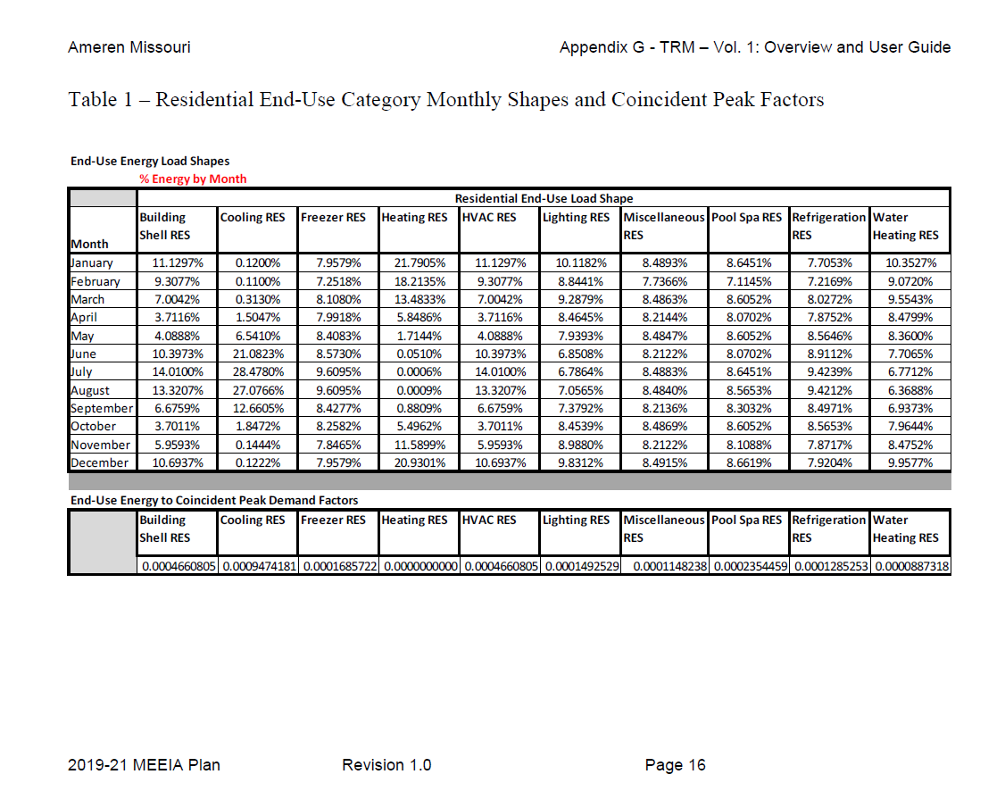
End-Use | Lighting | Heating | Cooling | Lighting
Load Shapes | RES | RES | RES | BUS
January | 10.1182% | 21.7906% | 0.1200% | 9.3564%
February | 8.8441% | 18.2135% | 0.1100% | 7.2162%
March | 9.2879% | 13.4833% | 0.3130% | 7.8373%
April | 8.4645% | 5.8486% | 1.5047% | 7.6534%
May | 7.9393% | 1.7144% | 6.5410% | 9.4247%
June | 6.8508% | 0.0510% | 21.0823% | 7.5599%
July | 6.7864% | 0.0006% | 28.4781% | 9.6200%
August | 7.0565% | 0.0009% | 27.0766% | 7.7078%
September | 7.3792% | 0.8809% | 12.6605% | 8.1374%
October | 8.4539% | 5.4962% | 1.8472% | 9.4072%
November | 8.9880% | 11.5899% | 0.1444% | 7.6707%
December | 9.8312% | 20.9301% | 0.1222% | 8.4090%
January | 10.1182% | 21.7906% | 0.1200% | 9.3564%
February | 8.8441% | 18.2135% | 0.1100% | 7.2162%
March | 9.2879% | 13.4833% | 0.3130% | 7.8373%
April | 8.4645% | 5.8486% | 1.5047% | 7.6534%
May | 7.9393% | 1.7144% | 6.5410% | 9.4247%
June | 6.8508% | 0.0510% | 21.0823% | 7.5599%
July | 6.7864% | 0.0006% | 28.4781% | 9.6200%
August | 7.0565% | 0.0009% | 27.0766% | 7.7078%
September | 7.3792% | 0.8809% | 12.6605% | 8.1374%
October | 8.4539% | 5.4962% | 1.8472% | 9.4072%
November | 8.9880% | 11.5899% | 0.1444% | 7.6707%
December | 9.8312% | 20.9301% | 0.1222% | 8.4090%

12ME December | 100.0000% | 100.0000% | 100.0000% | 100.0000%

Source: Ameren Missouri, Stipulation and Agreement, Appendix G (File No. EO-2018-0211)

