Query Definition
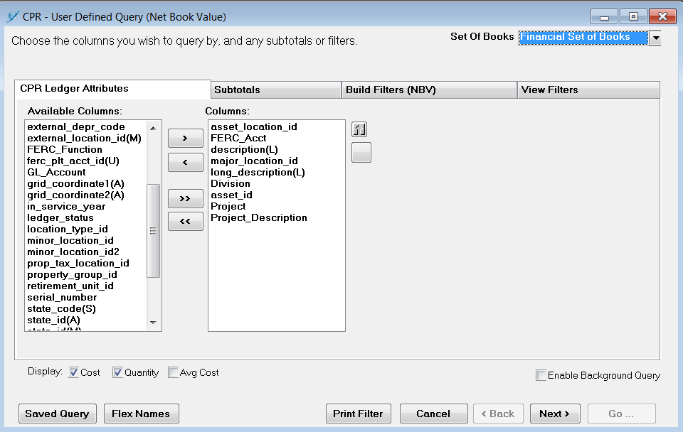
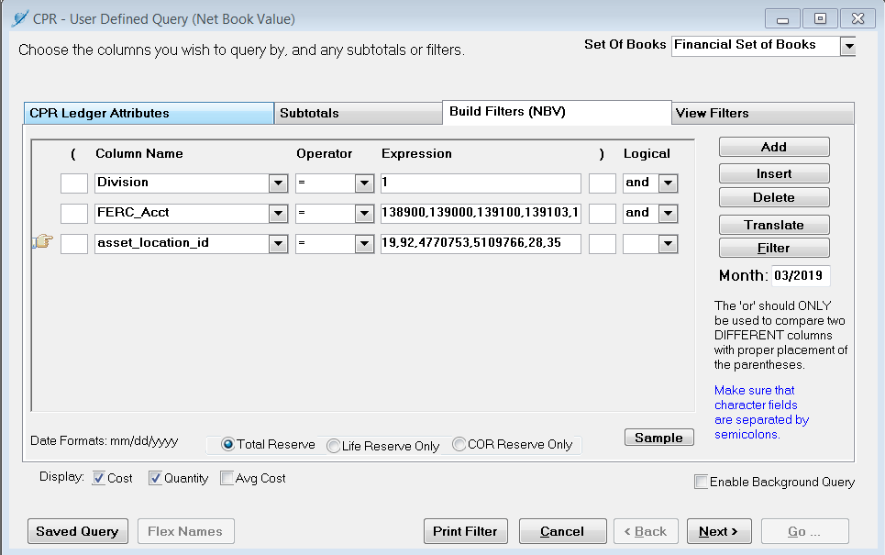
Division =
Electric

FERC_Acct =
389 - Land and Land Rights
390 - Structures and Improvements
391.1 - Office Furniture & Equip.
391.3 - Computer
397 - Communication Equip.
398 - Misc. Equip.

asset_location_id =
Call Center
Joplin (Jasper Cty)
Joplin (Newton Cty)
Joplin Commercial Operations (Kodiak)
Joplin Corporate Office
Ozark Call Center

