Asbury Carrying Costs
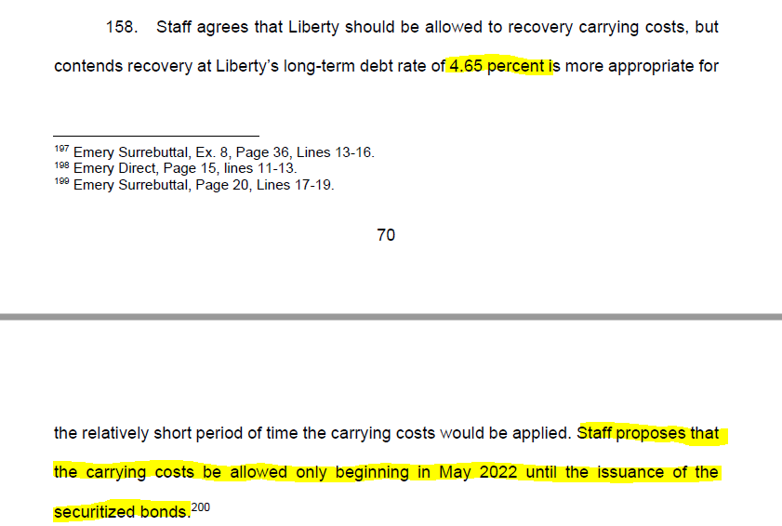
The Empire District Electric Company |  |  | Order Compliance
EO-2022-0193
Missouri Asbury Securitization
Asbury Securitization Costs

Stub Period 2: June 2022 - December 2022:

Balance to Apply Carrying Charge: | Total | Missouri | Total Missouri
 | Asbury (Retired Plant) | Jurisdictional | Asbury (Retired Plant)
 | Order EO-2022-0193 | Allocation | Proposed EO-2022-0193

Net Retired Asbury Plant | $159,414,474 | 100.00% | $159,414,474
Asbury Environmental Regulatory Assets | 1,643,357 | 100.00% | 1,643,357
Asbury Fuel Inventories | 1,532,832 | 100.00% | 1,532,832
Asbury Excess ADIT | (16,212,872) | 100.00% | (16,212,872)
Asbury AAO Liability | (12,313,459) | 100.00% | (12,313,459)
Asbury ADIT | (78,691,414) | 100.00% | (78,691,414)
Additional Asbury Decommissioning Costs (Phase 2) (1) | 3,541,054 | 100.00% | 3,541,054
Additional Asbury Decommissioning Costs (Phase 3) (1) | 1,500,522 | 100.00% | 1,500,522
Additional Asbury Asset Retirement Obligation Costs - Asbestos | 2,837,588 | 100.00% | 2,837,588
Additional Asbury Asset Retirement Obligation Costs - CCR Impoundment | 18,445,096 | 100.00% | 18,445,096
Total Asbury Costs to Securitize: (2) | $81,697,178 |  | $81,697,178
Less Ordered Amount Not to Receive Carrying Costs |  |  | $(1,673,601)
Balance Subject to Carrying Costs |  |  | $80,023,577

Carrying Charge: | 4.65%
Monthly Carrying Charge: | 0.39%

Jun-22 |  |  | 310,091
Jul-22 |  |  | 310,091
Aug-22 |  |  | 310,091
Sep-22 |  |  | 310,091
Oct-22 |  |  | 310,091
Nov-22 |  |  | 310,091
Dec-22 |  |  | 310,091
Total Additional Carrying Charge (Stub Period 2): |  |  | $2,170,640 | Agrees to Amended Report and Order

Jan-23 |  |  | 310,091
Feb-23 |  |  | 310,091
Mar-23 |  |  | 310,091
Apr-23 |  |  | 310,091
May-23 |  |  | 310,091
Jun-23 |  |  | 310,091
Jul-23 |  |  | 310,091
Aug-23 |  |  | 310,091
Sep-23 |  |  | 310,091
Oct-23 |  |  | 310,091
Nov-23 |  |  | 310,091
Dec-23 |  |  | 310,091
Jan-24 |  |  | 310,091
Total through Bond Issurance: |  |  | 4,031,188 | 6,201,827 | [Difference in carrying costs through bond issuance date]

