Pre-June Wind Resettlements
July Resettlements | (19,039.86)
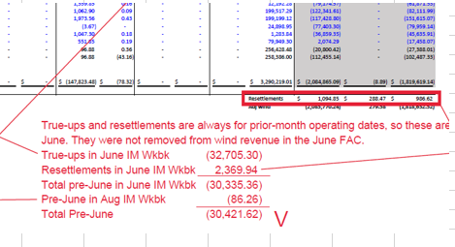

August Resettlements | (30,421.62)

November Resettlements | (107.19)

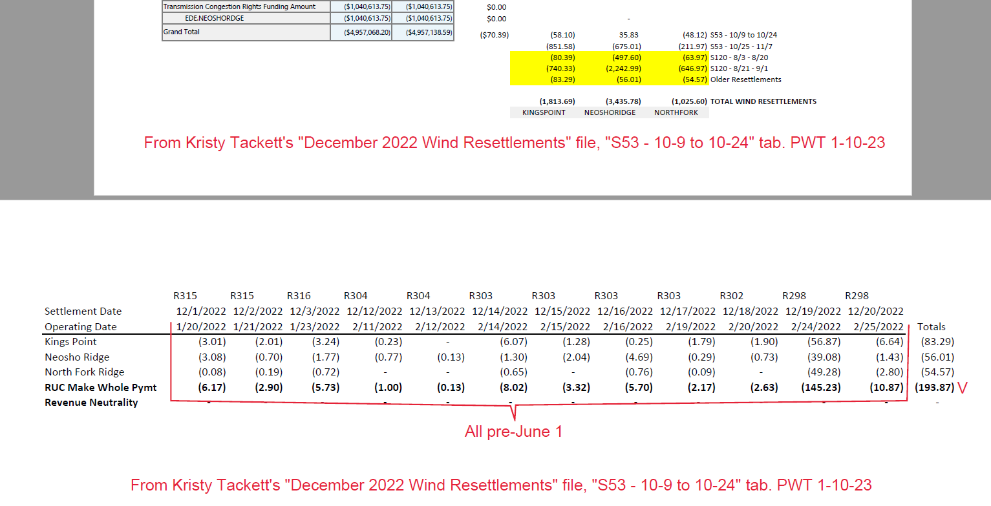

December Resettlements | (193.87)

