DR
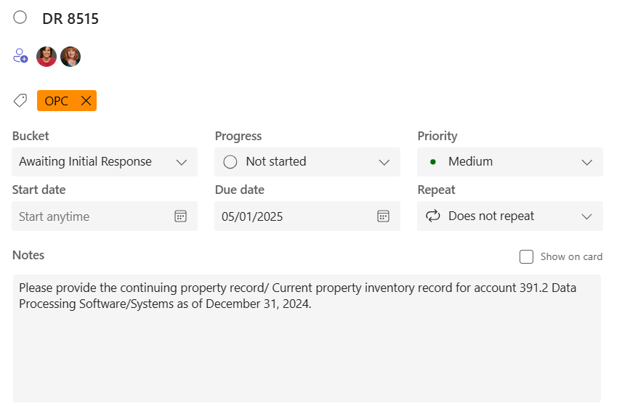

Source: PowerPlan - Assets > Query >Book Cost/Monthly Activity/Basis Cost > Saved Query - "CPR Assets MO Enter Utility Account" Enter appropriate Account(s) and month number on filters
 | This requests includes utility accounts 391300 and 391310 (DP Software) and 391100 (DP Systems)

