Early Payoff 9-25
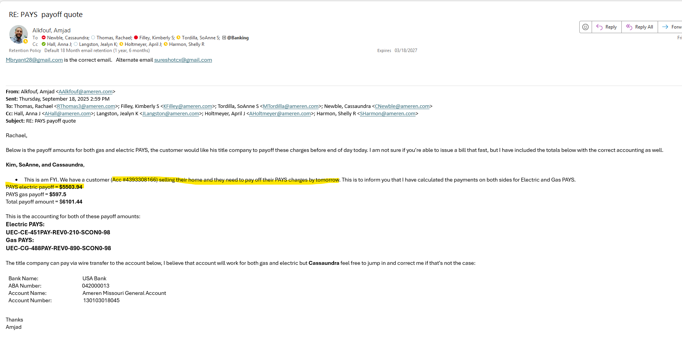
Month | Acct # | Premise ID | Total Financed Amount | Principle | Mth Payment | Terms (months) | amort amount 12/2022 | amort amount 01/2023 | amort amount 02/2023 | amort amount 03/2023 | amort amount 04/2023 | amort amount 05/2023 | amort amount 06/2023 | amort amount 07/2023 | amort amount 08/2023 | amort amount 09/2023 | amort amount 10/2023 | amort amount 11/2023 | amort amount 12/2023 | amort amount 01/2024 | amort amount 02/2024 | amort amount 03/2024 | amort amount 04/2024 | amort amount 05/2024 | amort amount 06/2024 | amort amount 07/2024 | amort amount 08/2024 | amort amount 09/2024 | amort amount 10/2024 | amort amount 11/2024 | amort amount 12/2024 | amort amount 01/2025 | amort amount 02/2025 | amort amount 03/2025 | amort amount 04/2025 | amort amount 05/2025 | amort amount 06/2025 | amort amount 07/2025 | amort amount 08/2025 | amort amount 09/2025
2022-12-12 | 4393308166 | 439330801 | 7962.91 | 6680.22 | 55.3 | 144 | $23.20 | $46.39 | $46.39 | $46.39 | $46.39 | $46.39 | $46.39 | NA | NA | NA | NA | NA | NA | NA | NA | NA | NA | NA | NA | NA | NA | NA | NA | NA | NA | NA | NA | NA | NA | NA | NA | NA | NA | Stop! Early pay off 09-25

$301.54 | amortization occurred within Deferred spend account 182PAY
$1,206.14 | unamortized 182PAY balance moved to rate base in July 23 - being recovered through base rates (amortized in account 182RBP)
$1,507.68 | total already amortized

$6,680.22 | total principle
$1,507.68 | less: total already amortized (calc'd above)
$5,172.54 | total to remove from 182PAY so crrt balance gets moved to rate base in next rate case

confirmation of early payoff:

PAYS unpaid billing w-o 8-25
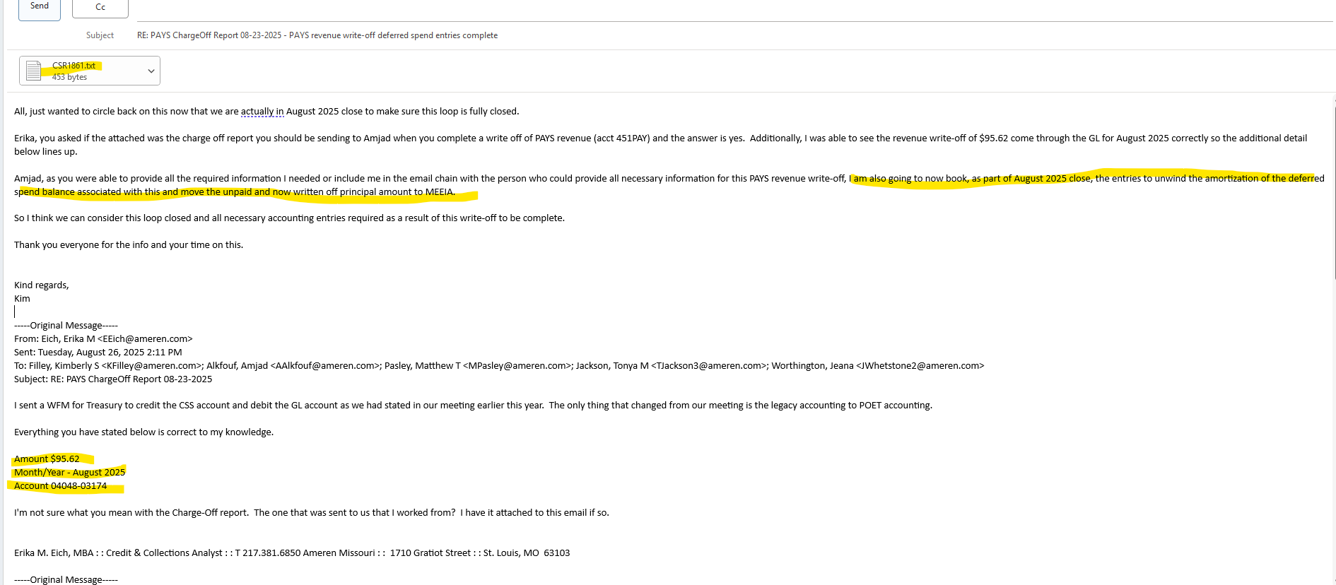
Month | Acct # | Premise ID | Total Financed Amount | Principle | Mth Payment | Terms (months) | amort amount 09/2023 | amort amount 10/2023 | amort amount 11/2023 | amort amount 12/2023 | amort amount 01/2024 | amort amount 02/2024 | amort amount 03/2024 | amort amount 04/2024 | amort amount 05/2024 | amort amount 06/2024 | amort amount 07/2024 | amort amount 08/2024 | amort amount 09/2024 | amort amount 10/2024 | amort amount 11/2024 | amort amount 12/2024 | amort amount 01/2025 | amort amount 02/2025 | amort amount 03/2025 | amort amount 04/2025 | amort amount 05/2025 | amort amount 06/2025 | amort amount 07/2025 | amort amount 08/2025 | Charge Modification Flag | Charge Modification Date | Suspend Flag
2023-09-30 | 404803209 | 40480301 | 13769.76 | 11,551.69 | 95.62 | 144 | $40.11 | $80.22 | $80.22 | $80.22 | $80.22 | $80.22 | $80.22 | $80.22 | $80.22 | $80.22 | $80.22 | $80.22 | $80.22 | $80.22 | $80.22 | $80.22 | $80.22 | $80.22 | $80.22 | $80.22 | $80.22 | in rate base | in rate base | in rate base
 | Note: see tickmark box above account ended in 174 in Apr 25 and was later changed |  |  |  |  |  |  |  |  |  |  |  |  |  |  |  |  |  |  |  |  |  |  |  |  | unwind

 |  |  | 1 mo partial princ billed but unpaid | $- |  |  |  |  |  |  |  |  |  |  |  | Entries
 |  |  | 1 month of billed but unpaid principle | $80.22 | & b/c we amortized the princ in this mo., we have to unwind it as rev being written off |  |  |  |  |  |  |  | total amnt of amort to unwind | $80.22 |  | dr. 182PAY | $80.22
 |  |  |  | $80.22 | principle amount to write off |  |  |  |  |  |  |  |  |  |  | cr. 908PAY-020-020 | $(80.22)
 |  |  |  |  |  |  |  |  |  |  |  |  |  |  |  | (reverse amortization)


 |  |  |  |  |  |  |  |  |  |  |  |  |  |  |  | dr. 908PAY - M4PC | $80.22 | moved into MEEIA program costs manually
 | Total billed amount being charged off due to no pay (Apr 25) |  |  |  |  |  |  |  |  |  |  |  |  |  |  | cr. 182PAY | $(80.22)
 |  |  |  |  |  |  |  |  |  |  |  |  |  |  |  | (total deferral bal w/off to MEEIA)

 |  |  |  |  |  |  |  |  |  | full amount billed not paid principle plus financed amount

Early Pay-off 4-25
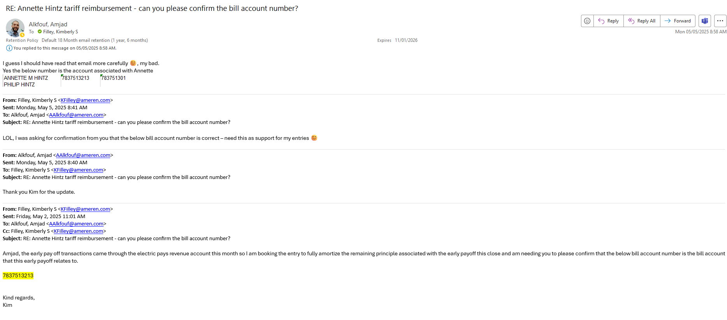
see PAYS Amort schedule for full amortization of remaining deferred spend balance for bill account | 783751301 | below is the email confirming the correct bill account is being fully amortized

PAYS unpaid billing w-o 3-25
Month | Acct # | Premise ID | Total Financed Amount | Principle | Mth Payment | Terms (months) | amort amount 06/2021 | amort amount 07/2021 | amort amount 08/2021 | amort amount 09/2021 | amort amount 10/2021 | amort amount 11/2021 | amort amount 12/2021 | amort amount 01/2022 | amort amount 02/2022 | amort amount 02/2024 | amort amount 03/2024 | amort amount 04/2024 | amort amount 05/2024 | amort amount 06/2024 | amort amount 07/2024 | amort amount 08/2024 | amort amount 09/2024 | amort amount 10/2024 | Charge Modification Flag | Charge Modification Date | Suspend Flag | Suspend Date | Resume Flag | Resume Date | Write Off Flag | Write Off Date
2021-06-28 | 5473412159 | 547341201 | $7,619.11 | $6,330.00 | $63.98 | 114 | $27.76 | $55.53 | $55.53 | $55.53 | $55.53 | $55.53 | $55.53 | $55.53 | in rate base | in rate base | in rate base | in rate base | in rate base | in rate base | in rate base | in rate base | in rate base | in rate base

 |  |  | 1 mo partial princ billed but unpaid | $40.89 |  |  |  |  |  |  |  |  |  |  |  | Entries
 |  |  | 6 months of billed but unpaid principle | $333.16 |  |  |  |  |  |  |  |  | total amnt of amort to unwind | $- |  | dr. 182PAY | $-
 |  |  |  | $374.04 | principle amount to write off |  |  |  |  |  |  |  |  |  |  | cr. 908PAY-020-020 | $-
 |  |  |  |  |  |  |  |  |  |  |  |  |  |  |  | (reverse amortization)

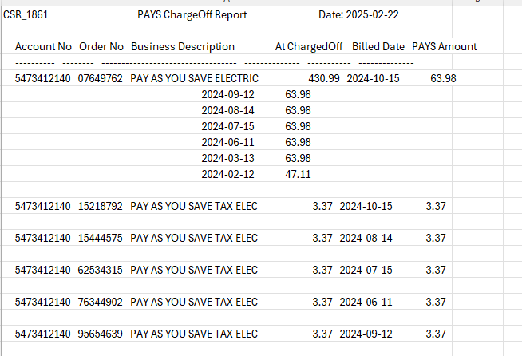
 |  |  |  |  |  |  |  |  |  |  |  |  |  |  |  | dr. 908PAY - M4PC | $374.04 | moved into MEEIA program costs manually
 | Total billed amount being charged off due to no pay (Feb - Mar 24 and Jun-Oct 24) |  |  |  |  |  |  |  |  |  |  |  |  |  |  | cr. 182PAY | $(374.04)
 |  |  |  |  |  |  |  |  |  |  |  |  |  |  |  | (total deferral bal w/off to MEEIA)

 |  |  |  |  |  |  |  |  |  | partial Feb 24 pymt
 |  |  |  |  |  |  |  |  |  | $16.87
 |  |  |  |  |  |  |  |  |  | 74%

PAYS unpaid bal write off 12-22
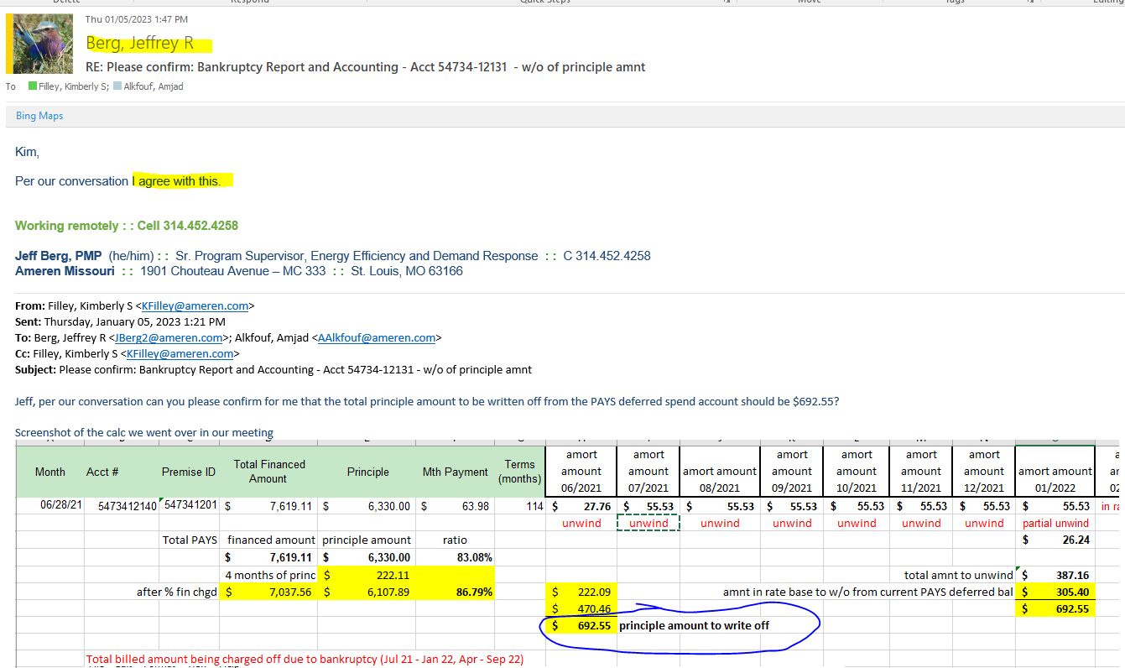
Month | Acct # | Premise ID | Total Financed Amount | Principle | Mth Payment | Terms (months) | amort amount 06/2021 | amort amount 07/2021 | amort amount 08/2021 | amort amount 09/2021 | amort amount 10/2021 | amort amount 11/2021 | amort amount 12/2021 | amort amount 01/2022 | amort amount 02/2022 | amort amount 03/2022 | amort amount 04/2022 | amort amount 05/2022 | amort amount 06/2022 | amort amount 07/2022 | amort amount 08/2022 | amort amount 09/2022 | amort amount 10/2022 | amort amount 11/2022
2021-06-28 | 5473412140 | 547341201 | $7,619.11 | $6,330.00 | $63.98 | 114 | $27.76 | $55.53 | $55.53 | $55.53 | $55.53 | $55.53 | $55.53 | $55.53 | in rate base | in rate base | in rate base | in rate base | in rate base | in rate base | in rate base | in rate base | in rate base | in rate base
 |  |  |  |  |  |  | unwind | unwind | unwind | unwind | unwind | unwind | unwind | partial unwind
 |  |  |  |  |  |  |  |  |  |  |  |  |  | $26.24
 |  |  | 1 mo partial princ | $26.24 |  |  |  |  |  |  |  |  |  |  |  | Entries
 |  |  | 4 months of princ | $222.11 |  |  |  |  |  |  |  |  | total amnt to unwind | $387.16 |  | dr. 182PAY | $387.16
 |  |  | 8 months of princ | $444.21 |  |  |  |  |  |  |  |  |  |  |  | cr. 908PAY-020-020 | $(387.16)
 |  |  |  |  |  |  |  |  |  |  |  |  |  |  |  | (reverse amortization)
 |  |  |  |  |  |  | $692.55 | principle amount to write off
 |  |  |  |  |  |  |  |  |  |  |  | $222.11 |  |  |  | dr. 908PAY - M3PC | $692.55 | moved into MEEIA program costs manually
 | Total billed amount being charged off due to bankruptcy (Jul 21 - Jan 22, Apr - Sep 22) |  |  |  |  |  |  |  |  |  |  | $444.21 |  |  |  | cr. 182PAY | $(692.55)
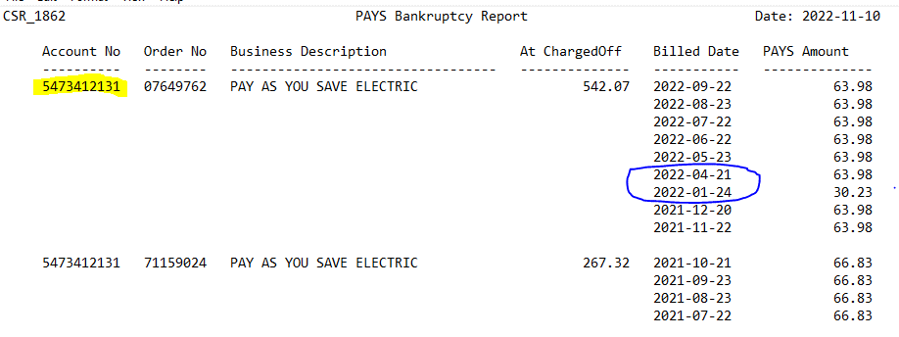
 |  |  |  |  |  |  |  |  |  |  |  | $26.24 |  |  |  | (total deferral bal w/off to MEEIA)
 |  |  |  |  |  |  |  |  |  |  |  | $692.55

 |  |  |  |  |  |  |  |  |  |  |  | and full pymt made Feb - Mar 22

 |  |  |  |  |  |  |  |  |  |  |  |  | partial Jan 22 pymt
 |  |  |  |  |  |  |  |  |  |  |  |  | $33.75
 |  |  |  |  |  |  |  |  |  |  |  |  | 47% | % of total owed not paid

 |  |  |  |  |  |  |  |  | Total | $809.39 | billed but not paid balance

J. Berg confirmation of amount to write-off email

PAYS Amort Crrtg Entries (2)
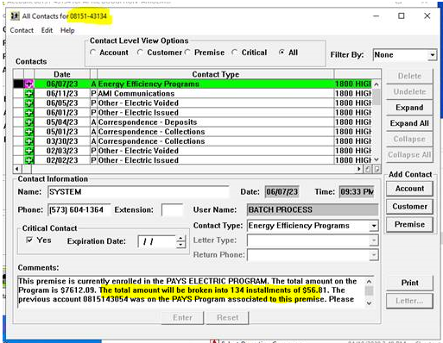
Month | Acct # | Premise ID | Total Financed Amount | Principle | Mth Payment | Terms (months) | amort amount 11/2021 | amort amount 12/2021 | amort amount 01/2022 | amort amount 02/2022 | amort amount 03/2022 | amort amount 04/2022 | amort amount 05/2022 | amort amount 06/2022 | amort amount 07/2022 | amort amount 08/2022 | amort amount 09/2022 | amort amount 10/2022 | amort amount 11/2022 | amort amount 12/2022 | amort amount 01/2023 | amort amount 02/2023 | amort amount 03/2023 | amort amount 04/2023 | amort amount 05/2023 | Charge Modification Flag | Charge Modification Date | Suspend Flag | Suspend Date | Resume Flag | Resume Date | Write Off Flag | Write Off Date
2021-11-22 | 0815143054 | 81514310 | $8,180.19 | $6,862.50 | $56.81 | 144 | $47.66 | $47.66 | $47.66 | $47.66 | $47.66 | $47.66 | $47.66 | $47.66 | $47.66 | $47.66 | $47.66 | $47.66 | $47.66 | $47.66 | $47.66 | $47.66 | $47.66 | $47.66 | $47.66 | $428.91 | amount of amort to reverse as service was disconnected Aug 2022 through May 2023, billing commenced June 23
 |  |  |  |  |  |  |  |  |  |  |  |  |  |  |  | service disconnected

