18B
Ameren Missouri
Billed Base Rate Allowance Revenues1
Allocated by Rate Class & Voltage Level
Report 18(B)
2026-05-31

Rate Class | Voltage | May-2026 kWh | RESRAM Amt in Base Rates/Test Year kWh | Calculated Rate Allocation by Rate Class
1m | Secondary | 844,326,204 | 0.0000770 | 64,984
2m | Secondary | 249,741,426 | 0.0000770 | 19,222
3m | Secondary | 610,125,593 | 0.0000770 | 46,959
4m | Primary | 306,692,552 | 0.0000770 | 23,605
Street Lighting - 5m & 6m | Secondary | 7,715,849 | 0.0000770 | 594
11m
11m-Transmission | Primary | 16,246,280 | 0.0000770 | 1,250
11m-High Voltage | Primary | 191,685,338 | 0.0000770 | 14,753
11m-Low Voltage | Primary | 167,063,507 | 0.0000770 | 12,858

Total |  | 2,393,596,750 |  | 184,226

1Calendar month actual energy usage is provided herein to be consistent with the FAC filings.

RESRAM Rebasing excerpt from File No. ER-2024-0319 Unanimous Stipulation and Agreement

 |  |  |  | 2,380,903.00

Billed kWh used to set rates in ER-2024-0319 rate case

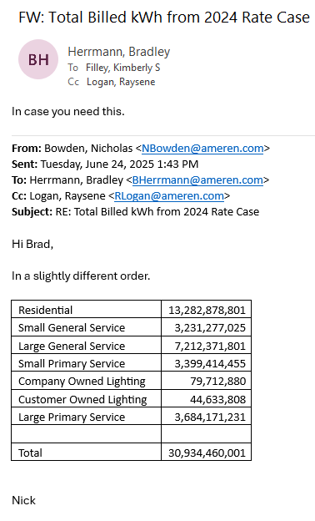

 |  |  |  | 13,282,878,801 | Residential
 |  |  |  | 3,231,277,025 | Small General
 |  |  |  | 7,212,371,801 | Large General
 |  |  |  | 3,399,414,455 | Small Primary
 |  |  |  | 3,684,171,231 | Large Primary
 |  |  |  | 79,712,880 | Company Owned Lighting
 |  |  |  | 44,633,808 | Customer Owned Lighting
 |  |  |  | 30,934,460,001

