18B
Ameren Missouri
Billed Base Rate Allowance Revenues1
Allocated by Rate Class & Voltage Level
Report 18(B)
2026-06-30

Rate Class | Voltage | Jun-2026 kWh | RESRAM Amt in Base Rates/Test Year kWh | Calculated Rate Allocation by Rate Class
1m | Secondary | 1,195,799,389 | 0.0000770 | 92,036
2m | Secondary | 291,350,168 | 0.0000770 | 22,424
3m | Secondary | 644,099,239 | 0.0000770 | 49,574
4m | Primary | 309,126,609 | 0.0000770 | 23,792
Street Lighting - 5m & 6m | Secondary | 6,199,814 | 0.0000770 | 477
11m
11m-Transmission | Primary | 13,969,970 | 0.0000770 | 1,075
11m-High Voltage | Primary | 163,513,133 | 0.0000770 | 12,585
11m-Low Voltage | Primary | 160,462,925 | 0.0000770 | 12,350

Total |  | 2,784,521,245 |  | 214,314

1Calendar month actual energy usage is provided herein to be consistent with the FAC filings.

RESRAM Rebasing excerpt from File No. ER-2024-0319 Unanimous Stipulation and Agreement

 |  |  |  | 2,380,903.00

Billed kWh used to set rates in ER-2024-0319 rate case

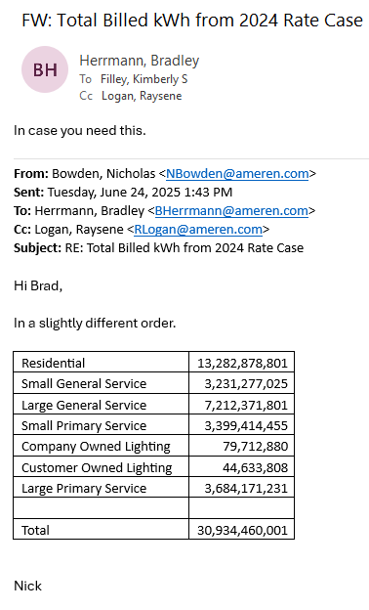

 |  |  |  | 13,282,878,801 | Residential
 |  |  |  | 3,231,277,025 | Small General
 |  |  |  | 7,212,371,801 | Large General
 |  |  |  | 3,399,414,455 | Small Primary
 |  |  |  | 3,684,171,231 | Large Primary
 |  |  |  | 79,712,880 | Company Owned Lighting
 |  |  |  | 44,633,808 | Customer Owned Lighting
 |  |  |  | 30,934,460,001

